OutOfBox
contactSimulation.js:4162 exit covidSim
contactSimulation.js:23 getAsText File
contactSimulation.js:32 File
contactSimulation.js:23 getAsText File
contactSimulation.js:32 File
contactSimulation.js:2000 1I j:famKey 66:-1 infected by blue i:famKey 5:-1 at gen 31 in Univ0
contactSimulation.js:2000 2I j:famKey 92:-1 infected by red i:famKey 5:-1 at gen 46 in Univ0
contactSimulation.js:2000 3I j:famKey 67:-1 infected by red i:famKey 5:-1 at gen 65 in Univ0
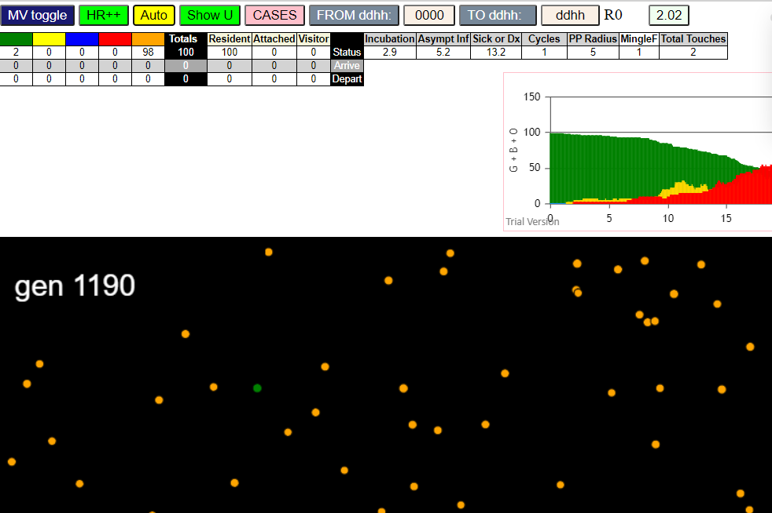
contactSimulation.js:2000 4I j:famKey 46:-1 infected by red i:famKey 5:-1 at gen 111 in Univ0
contactSimulation.js:2000 5I j:famKey 44:-1 infected by red i:famKey 5:-1 at gen 127 in Univ0
contactSimulation.js:2016 6I i:famKey 55:-1 infected by blue j:famKey 66:-1 at gen 140 in U0
contactSimulation.js:2000 7I j:famKey 73:-1 infected by red i:famKey 66:-1 at gen 189 in Univ0
contactSimulation.js:2016 8I i:famKey 13:-1 infected by red j:famKey 92:-1 at gen 206 in U0
contactSimulation.js:2016 8I i:famKey 40:-1 infected by blue j:famKey 44:-1 at gen 207 in U0
contactSimulation.js:2016 10I i:famKey 52:-1 infected by blue j:famKey 55:-1 at gen 212 in U0
contactSimulation.js:2016 11I i:famKey 23:-1 infected by red j:famKey 67:-1 at gen 220 in U0
contactSimulation.js:2016 12I i:famKey 17:-1 infected by blue j:famKey 44:-1 at gen 223 in U0
contactSimulation.js:2016 13I i:famKey 85:-1 infected by red j:famKey 92:-1 at gen 226 in U0
contactSimulation.js:2016 13I i:famKey 18:-1 infected by blue j:famKey 44:-1 at gen 227 in U0
contactSimulation.js:2000 15I j:famKey 86:-1 infected by red i:famKey 66:-1 at gen 244 in Univ0
contactSimulation.js:2016 16I i:famKey 27:-1 infected by red j:famKey 44:-1 at gen 252 in U0
contactSimulation.js:2000 16I j:famKey 89:-1 infected by red i:famKey 44:-1 at gen 253 in Univ0
contactSimulation.js:2016 17I i:famKey 11:-1 infected by blue j:famKey 55:-1 at gen 254 in U0
contactSimulation.js:2016 18I i:famKey 35:-1 infected by red j:famKey 44:-1 at gen 255 in U0
contactSimulation.js:2016 20I i:famKey 26:-1 infected by red j:famKey 44:-1 at gen 269 in U0
contactSimulation.js:2016 21I i:famKey 78:-1 infected by red j:famKey 92:-1 at gen 284 in U0
contactSimulation.js:2000 22I j:famKey 84:-1 infected by red i:famKey 55:-1 at gen 288 in Univ0
contactSimulation.js:2000 23I j:famKey 68:-1 infected by red i:famKey 66:-1 at gen 296 in Univ0
contactSimulation.js:2000 24I j:famKey 51:-1 infected by red i:famKey 44:-1 at gen 306 in Univ0
contactSimulation.js:2000 24I j:famKey 93:-1 infected by blue i:famKey 73:-1 at gen 306 in Univ0
contactSimulation.js:2000 26I j:famKey 96:-1 infected by red i:famKey 44:-1 at gen 313 in Univ0
contactSimulation.js:2000 27I j:famKey 62:-1 infected by blue i:famKey 18:-1 at gen 324 in Univ0
contactSimulation.js:2000 28I j:famKey 60:-1 infected by red i:famKey 13:-1 at gen 331 in Univ0
contactSimulation.js:2000 29I j:famKey 99:-1 infected by red i:famKey 44:-1 at gen 334 in Univ0
contactSimulation.js:2016 30I i:famKey 4:-1 infected by red j:famKey 55:-1 at gen 345 in U0
contactSimulation.js:2016 31I i:famKey 36:-1 infected by red j:famKey 73:-1 at gen 348 in U0
contactSimulation.js:2000 32I j:famKey 25:-1 infected by red i:famKey 17:-1 at gen 365 in Univ0
contactSimulation.js:2000 32I j:famKey 31:-1 infected by blue i:famKey 26:-1 at gen 366 in Univ0
contactSimulation.js:2016 34I i:famKey 49:-1 infected by red j:famKey 86:-1 at gen 369 in U0
contactSimulation.js:2016 35I i:famKey 2:-1 infected by red j:famKey 17:-1 at gen 372 in U0
contactSimulation.js:2000 36I j:famKey 77:-1 infected by blue i:famKey 11:-1 at gen 374 in Univ0
contactSimulation.js:2000 37I j:famKey 63:-1 infected by red i:famKey 27:-1 at gen 382 in Univ0
contactSimulation.js:2016 37I i:famKey 12:-1 infected by red j:famKey 18:-1 at gen 383 in U0
contactSimulation.js:2016 39I i:famKey 10:-1 infected by red j:famKey 86:-1 at gen 386 in U0
contactSimulation.js:2016 40I i:famKey 30:-1 infected by red j:famKey 89:-1 at gen 388 in U0
contactSimulation.js:2016 41I i:famKey 19:-1 infected by red j:famKey 27:-1 at gen 390 in U0
contactSimulation.js:2000 41I j:famKey 56:-1 infected by red i:famKey 18:-1 at gen 391 in Univ0
contactSimulation.js:2016 43I i:famKey 21:-1 infected by blue j:famKey 68:-1 at gen 394 in U0
contactSimulation.js:2016 44I i:famKey 0:-1 infected by red j:famKey 44:-1 at gen 397 in U0
contactSimulation.js:2016 45I i:famKey 79:-1 infected by blue j:famKey 93:-1 at gen 402 in U0
contactSimulation.js:2000 46I j:famKey 70:-1 infected by red i:famKey 44:-1 at gen 407 in Univ0
contactSimulation.js:2000 47I j:famKey 57:-1 infected by red i:famKey 26:-1 at gen 418 in Univ0
contactSimulation.js:2016 47I i:famKey 6:-1 infected by red j:famKey 52:-1 at gen 419 in U0
contactSimulation.js:2000 49I j:famKey 91:-1 infected by red i:famKey 27:-1 at gen 430 in Univ0
contactSimulation.js:2000 50I j:famKey 45:-1 infected by red i:famKey 35:-1 at gen 442 in Univ0
contactSimulation.js:2016 51I i:famKey 3:-1 infected by red j:famKey 27:-1 at gen 447 in U0
contactSimulation.js:2016 51I i:famKey 3:-1 infected by blue j:famKey 36:-1 at gen 447 in U0
contactSimulation.js:2016 51I i:famKey 28:-1 infected by red j:famKey 40:-1 at gen 447 in U0
contactSimulation.js:2016 53I i:famKey 15:-1 infected by red j:famKey 18:-1 at gen 450 in U0
contactSimulation.js:2016 54I i:famKey 47:-1 infected by red j:famKey 52:-1 at gen 455 in U0
contactSimulation.js:2016 55I i:famKey 61:-1 infected by red j:famKey 93:-1 at gen 459 in U0
contactSimulation.js:2016 56I i:famKey 43:-1 infected by red j:famKey 78:-1 at gen 461 in U0
contactSimulation.js:2016 56I i:famKey 24:-1 infected by red j:famKey 35:-1 at gen 462 in U0
contactSimulation.js:2016 56I i:famKey 59:-1 infected by red j:famKey 96:-1 at gen 462 in U0
contactSimulation.js:2016 59I i:famKey 87:-1 infected by red j:famKey 96:-1 at gen 468 in U0
contactSimulation.js:2016 60I i:famKey 76:-1 infected by blue j:famKey 77:-1 at gen 478 in U0
contactSimulation.js:2016 60I i:famKey 88:-1 infected by red j:famKey 93:-1 at gen 478 in U0
contactSimulation.js:2000 62I j:famKey 65:-1 infected by red i:famKey 51:-1 at gen 480 in Univ0
contactSimulation.js:2016 63I i:famKey 7:-1 infected by red j:famKey 93:-1 at gen 483 in U0
contactSimulation.js:2000 63I j:famKey 38:-1 infected by red i:famKey 18:-1 at gen 484 in Univ0
contactSimulation.js:2016 63I i:famKey 37:-1 infected by blue j:famKey 77:-1 at gen 484 in U0
contactSimulation.js:2000 63I j:famKey 81:-1 infected by red i:famKey 78:-1 at gen 484 in Univ0
contactSimulation.js:2000 67I j:famKey 82:-1 infected by red i:famKey 40:-1 at gen 487 in Univ0
contactSimulation.js:2000 68I j:famKey 71:-1 infected by blue i:famKey 2:-1 at gen 489 in Univ0
contactSimulation.js:2016 69I i:famKey 16:-1 infected by red j:famKey 31:-1 at gen 492 in U0
contactSimulation.js:2016 70I i:famKey 42:-1 infected by red j:famKey 62:-1 at gen 494 in U0
contactSimulation.js:2016 71I i:famKey 53:-1 infected by blue j:famKey 70:-1 at gen 512 in U0
contactSimulation.js:2000 72I j:famKey 80:-1 infected by red i:famKey 31:-1 at gen 516 in Univ0
contactSimulation.js:2016 73I i:famKey 22:-1 infected by red j:famKey 99:-1 at gen 523 in U0
contactSimulation.js:2000 74I j:famKey 74:-1 infected by red i:famKey 30:-1 at gen 536 in Univ0
contactSimulation.js:2000 74I j:famKey 74:-1 infected by red i:famKey 63:-1 at gen 536 in Univ0
contactSimulation.js:2000 75I j:famKey 83:-1 infected by red i:famKey 6:-1 at gen 538 in Univ0
contactSimulation.js:2000 76I j:famKey 29:-1 infected by red i:famKey 19:-1 at gen 540 in Univ0
contactSimulation.js:2000 77I j:famKey 95:-1 infected by red i:famKey 68:-1 at gen 558 in Univ0
contactSimulation.js:2016 77I i:famKey 54:-1 infected by red j:famKey 79:-1 at gen 559 in U0
contactSimulation.js:2016 79I i:famKey 9:-1 infected by red j:famKey 26:-1 at gen 568 in U0
contactSimulation.js:2000 80I j:famKey 94:-1 infected by red i:famKey 21:-1 at gen 571 in Univ0
contactSimulation.js:2016 81I i:famKey 8:-1 infected by blue j:famKey 37:-1 at gen 584 in U0
contactSimulation.js:2000 81I j:famKey 90:-1 infected by red i:famKey 57:-1 at gen 584 in Univ0
contactSimulation.js:2016 83I i:famKey 14:-1 infected by blue j:famKey 76:-1 at gen 586 in U0
contactSimulation.js:2000 84I j:famKey 97:-1 infected by red i:famKey 62:-1 at gen 600 in Univ0
contactSimulation.js:2016 85I i:famKey 33:-1 infected by red j:famKey 47:-1 at gen 602 in U0
contactSimulation.js:2000 86I j:famKey 64:-1 infected by red i:famKey 37:-1 at gen 604 in Univ0
contactSimulation.js:2000 87I j:famKey 69:-1 infected by red i:famKey 12:-1 at gen 609 in Univ0
contactSimulation.js:2000 88I j:famKey 98:-1 infected by red i:famKey 38:-1 at gen 619 in Univ0
contactSimulation.js:2016 89I i:famKey 1:-1 infected by red j:famKey 81:-1 at gen 622 in U0
contactSimulation.js:2016 90I i:famKey 39:-1 infected by red j:famKey 65:-1 at gen 626 in U0
contactSimulation.js:2016 91I i:famKey 20:-1 infected by red j:famKey 81:-1 at gen 631 in U0
contactSimulation.js:2016 92I i:famKey 50:-1 infected by red j:famKey 65:-1 at gen 647 in U0
contactSimulation.js:2000 93I j:famKey 58:-1 infected by red i:famKey 7:-1 at gen 652 in Univ0
contactSimulation.js:2000 94I j:famKey 48:-1 infected by red i:famKey 14:-1 at gen 727 in Univ0
contactSimulation.js:2016 95I i:famKey 34:-1 infected by red j:famKey 43:-1 at gen 736 in U0
contactSimulation.js:2000 96I j:famKey 72:-1 infected by red i:famKey 9:-1 at gen 771 in Univ0
contactSimulation.js:2000 97I j:famKey 41:-1 infected by red i:famKey 34:-1 at gen 896 in Univ0

R6.0
contactSimulation.js:4162 exit covidSim
contactSimulation.js:23 getAsText File {name: "HundredAgentsU0mF1.csv", lastModified: 1608077990000, lastModifiedDate: Tue Dec 15 2020 16:19:50 GMT-0800 (Pacific Standard Time), webkitRelativePath: "", size: 2140, …}
contactSimulation.js:32 File {name: "HundredAgentsU0mF1.csv", lastModified: 1608077990000, lastModifiedDate: Tue Dec 15 2020 16:19:50 GMT-0800 (Pacific Standard Time), webkitRelativePath: "", size: 2140, …}
contactSimulation.js:23 getAsText File {name: "VL1.-2.9D.csv", lastModified: 1608491880000, lastModifiedDate: Sun Dec 20 2020 11:18:00 GMT-0800 (Pacific Standard Time), webkitRelativePath: "", size: 65, …}
contactSimulation.js:32 File {name: "VL1.-2.9D.csv", lastModified: 1608491880000, lastModifiedDate: Sun Dec 20 2020 11:18:00 GMT-0800 (Pacific Standard Time), webkitRelativePath: "", size: 65, …}
contactSimulation.js:2000 1I j:famKey 71:-1 infected by blue i:famKey 5:-1 at gen 45 in Univ0
contactSimulation.js:2000 2I j:famKey 46:-1 infected by red i:famKey 5:-1 at gen 57 in Univ0
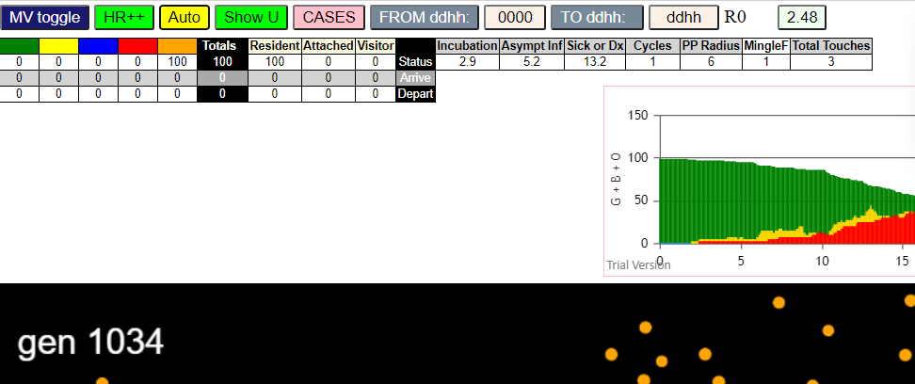
contactSimulation.js:2000 3I j:famKey 20:-1 infected by red i:famKey 5:-1 at gen 99 in Univ0
contactSimulation.js:2016 4I i:famKey 60:-1 infected by blue j:famKey 71:-1 at gen 117 in U0
contactSimulation.js:2000 5I j:famKey 57:-1 infected by red i:famKey 5:-1 at gen 142 in Univ0
contactSimulation.js:2016 6I i:famKey 1:-1 infected by blue j:famKey 71:-1 at gen 146 in U0
contactSimulation.js:2000 6I j:famKey 35:-1 infected by red i:famKey 5:-1 at gen 147 in Univ0
contactSimulation.js:2016 8I i:famKey 47:-1 infected by blue j:famKey 71:-1 at gen 149 in U0
contactSimulation.js:2000 9I j:famKey 54:-1 infected by red i:famKey 5:-1 at gen 169 in Univ0
contactSimulation.js:2000 10I j:famKey 72:-1 infected by red i:famKey 71:-1 at gen 175 in Univ0
contactSimulation.js:2000 11I j:famKey 96:-1 infected by red i:famKey 5:-1 at gen 202 in Univ0
contactSimulation.js:2000 12I j:famKey 81:-1 infected by red i:famKey 5:-1 at gen 205 in Univ0
contactSimulation.js:2000 13I j:famKey 99:-1 infected by blue i:famKey 60:-1 at gen 220 in Univ0
contactSimulation.js:2000 14I j:famKey 92:-1 infected by blue i:famKey 47:-1 at gen 249 in Univ0
contactSimulation.js:2000 14I j:famKey 22:-1 infected by blue i:famKey 1:-1 at gen 250 in Univ0
contactSimulation.js:2016 15I i:famKey 37:-1 infected by blue j:famKey 57:-1 at gen 251 in U0
contactSimulation.js:2000 17I j:famKey 49:-1 infected by blue i:famKey 1:-1 at gen 253 in Univ0
contactSimulation.js:2016 18I i:famKey 45:-1 infected by red j:famKey 46:-1 at gen 256 in U0
contactSimulation.js:2016 18I i:famKey 28:-1 infected by blue j:famKey 35:-1 at gen 257 in U0
contactSimulation.js:2000 20I j:famKey 61:-1 infected by red i:famKey 35:-1 at gen 263 in Univ0
contactSimulation.js:2000 21I j:famKey 58:-1 infected by red i:famKey 57:-1 at gen 267 in Univ0
contactSimulation.js:2000 22I j:famKey 31:-1 infected by red i:famKey 20:-1 at gen 271 in Univ0
contactSimulation.js:2000 23I j:famKey 50:-1 infected by red i:famKey 20:-1 at gen 275 in Univ0
contactSimulation.js:2000 24I j:famKey 91:-1 infected by red i:famKey 60:-1 at gen 286 in Univ0
contactSimulation.js:2016 24I i:famKey 8:-1 infected by red j:famKey 60:-1 at gen 287 in U0
contactSimulation.js:2016 26I i:famKey 12:-1 infected by red j:famKey 46:-1 at gen 297 in U0
contactSimulation.js:2016 27I i:famKey 36:-1 infected by blue j:famKey 96:-1 at gen 305 in U0
contactSimulation.js:2016 27I i:famKey 44:-1 infected by red j:famKey 47:-1 at gen 305 in U0
contactSimulation.js:2016 29I i:famKey 10:-1 infected by red j:famKey 57:-1 at gen 308 in U0
contactSimulation.js:2016 30I i:famKey 0:-1 infected by blue j:famKey 96:-1 at gen 311 in U0
contactSimulation.js:2016 30I i:famKey 26:-1 infected by red j:famKey 46:-1 at gen 312 in U0
contactSimulation.js:2000 32I j:famKey 89:-1 infected by red i:famKey 1:-1 at gen 318 in Univ0
contactSimulation.js:2000 33I j:famKey 79:-1 infected by blue i:famKey 22:-1 at gen 330 in Univ0
contactSimulation.js:2016 34I i:famKey 39:-1 infected by red j:famKey 46:-1 at gen 334 in U0
contactSimulation.js:2000 35I j:famKey 83:-1 infected by red i:famKey 54:-1 at gen 339 in Univ0
contactSimulation.js:2016 36I i:famKey 21:-1 infected by blue j:famKey 92:-1 at gen 346 in U0
contactSimulation.js:2016 37I i:famKey 87:-1 infected by blue j:famKey 92:-1 at gen 350 in U0
contactSimulation.js:2000 38I j:famKey 59:-1 infected by red i:famKey 47:-1 at gen 353 in Univ0
contactSimulation.js:2000 38I j:famKey 85:-1 infected by blue i:famKey 28:-1 at gen 354 in Univ0
contactSimulation.js:2016 40I i:famKey 94:-1 infected by red j:famKey 96:-1 at gen 362 in U0
contactSimulation.js:2016 41I i:famKey 24:-1 infected by red j:famKey 46:-1 at gen 364 in U0
contactSimulation.js:2016 42I i:famKey 7:-1 infected by red j:famKey 35:-1 at gen 374 in U0
contactSimulation.js:2016 43I i:famKey 27:-1 infected by blue j:famKey 91:-1 at gen 380 in U0
contactSimulation.js:2000 44I j:famKey 67:-1 infected by blue i:famKey 36:-1 at gen 388 in Univ0
contactSimulation.js:2016 44I i:famKey 16:-1 infected by red j:famKey 35:-1 at gen 389 in U0
contactSimulation.js:2000 44I j:famKey 77:-1 infected by red i:famKey 35:-1 at gen 389 in Univ0
contactSimulation.js:2016 47I i:famKey 13:-1 infected by blue j:famKey 91:-1 at gen 391 in U0
contactSimulation.js:2016 48I i:famKey 19:-1 infected by red j:famKey 47:-1 at gen 398 in U0
contactSimulation.js:2000 48I j:famKey 74:-1 infected by red i:famKey 57:-1 at gen 399 in Univ0
contactSimulation.js:2000 50I j:famKey 95:-1 infected by red i:famKey 22:-1 at gen 404 in Univ0
contactSimulation.js:2016 51I i:famKey 9:-1 infected by red j:famKey 35:-1 at gen 407 in U0
contactSimulation.js:2000 52I j:famKey 90:-1 infected by red i:famKey 45:-1 at gen 410 in Univ0
contactSimulation.js:2016 53I i:famKey 43:-1 infected by red j:famKey 91:-1 at gen 412 in U0
contactSimulation.js:2016 54I i:famKey 56:-1 infected by red j:famKey 61:-1 at gen 417 in U0
contactSimulation.js:2000 55I j:famKey 88:-1 infected by red i:famKey 57:-1 at gen 429 in Univ0
contactSimulation.js:2000 56I j:famKey 82:-1 infected by blue i:famKey 21:-1 at gen 431 in Univ0
contactSimulation.js:2016 57I i:famKey 41:-1 infected by red j:famKey 45:-1 at gen 441 in U0
contactSimulation.js:2016 57I i:famKey 68:-1 infected by red j:famKey 99:-1 at gen 442 in U0
contactSimulation.js:2016 59I i:famKey 40:-1 infected by red j:famKey 91:-1 at gen 445 in U0
contactSimulation.js:2000 60I j:famKey 93:-1 infected by red i:famKey 91:-1 at gen 447 in Univ0
contactSimulation.js:2016 61I i:famKey 17:-1 infected by red j:famKey 96:-1 at gen 450 in U0
contactSimulation.js:2016 61I i:famKey 76:-1 infected by red j:famKey 99:-1 at gen 450 in U0
contactSimulation.js:2016 63I i:famKey 42:-1 infected by blue j:famKey 87:-1 at gen 452 in U0
contactSimulation.js:2000 64I j:famKey 78:-1 infected by red i:famKey 61:-1 at gen 454 in Univ0
contactSimulation.js:2000 65I j:famKey 64:-1 infected by blue i:famKey 21:-1 at gen 457 in Univ0
contactSimulation.js:2016 66I i:famKey 70:-1 infected by red j:famKey 96:-1 at gen 464 in U0
contactSimulation.js:2000 67I j:famKey 14:-1 infected by red i:famKey 8:-1 at gen 496 in Univ0
contactSimulation.js:2000 67I j:famKey 97:-1 infected by red i:famKey 94:-1 at gen 496 in Univ0
contactSimulation.js:2016 69I i:famKey 6:-1 infected by blue j:famKey 74:-1 at gen 504 in U0
contactSimulation.js:2000 70I j:famKey 66:-1 infected by red i:famKey 36:-1 at gen 513 in Univ0
contactSimulation.js:2016 71I i:famKey 33:-1 infected by red j:famKey 36:-1 at gen 519 in U0
contactSimulation.js:2016 71I i:famKey 53:-1 infected by red j:famKey 74:-1 at gen 520 in U0
contactSimulation.js:2000 73I j:famKey 80:-1 infected by blue i:famKey 17:-1 at gen 526 in Univ0
contactSimulation.js:2000 74I j:famKey 29:-1 infected by red i:famKey 27:-1 at gen 532 in Univ0
contactSimulation.js:2016 75I i:famKey 32:-1 infected by blue j:famKey 88:-1 at gen 535 in U0
contactSimulation.js:2016 76I i:famKey 4:-1 infected by blue j:famKey 64:-1 at gen 567 in U0
contactSimulation.js:2016 77I i:famKey 3:-1 infected by red j:famKey 76:-1 at gen 571 in U0
contactSimulation.js:2000 78I j:famKey 73:-1 infected by blue i:famKey 64:-1 at gen 576 in Univ0
contactSimulation.js:2016 79I i:famKey 15:-1 infected by red j:famKey 88:-1 at gen 581 in U0
contactSimulation.js:2016 79I i:famKey 34:-1 infected by red j:famKey 67:-1 at gen 582 in U0
contactSimulation.js:2000 81I j:famKey 65:-1 infected by red i:famKey 24:-1 at gen 584 in Univ0
contactSimulation.js:2000 82I j:famKey 75:-1 infected by red i:famKey 68:-1 at gen 588 in Univ0
contactSimulation.js:2016 83I i:famKey 11:-1 infected by red j:famKey 68:-1 at gen 590 in U0
contactSimulation.js:2016 83I i:famKey 18:-1 infected by red j:famKey 64:-1 at gen 590 in U0
contactSimulation.js:2000 85I j:famKey 52:-1 infected by red i:famKey 43:-1 at gen 593 in Univ0
contactSimulation.js:2000 86I j:famKey 55:-1 infected by blue i:famKey 33:-1 at gen 607 in Univ0
contactSimulation.js:2000 86I j:famKey 48:-1 infected by blue i:famKey 33:-1 at gen 608 in Univ0
contactSimulation.js:2000 88I j:famKey 98:-1 infected by red i:famKey 68:-1 at gen 610 in Univ0
contactSimulation.js:2000 88I j:famKey 84:-1 infected by red i:famKey 43:-1 at gen 611 in Univ0
contactSimulation.js:2000 90I j:famKey 62:-1 infected by blue i:famKey 6:-1 at gen 613 in Univ0
contactSimulation.js:2016 91I i:famKey 51:-1 infected by blue j:famKey 66:-1 at gen 621 in U0
contactSimulation.js:2016 92I i:famKey 2:-1 infected by red j:famKey 68:-1 at gen 638 in U0
contactSimulation.js:2016 92I i:famKey 38:-1 infected by red j:famKey 68:-1 at gen 639 in U0
contactSimulation.js:2016 94I i:famKey 30:-1 infected by red j:famKey 93:-1 at gen 643 in U0
contactSimulation.js:2000 95I j:famKey 69:-1 infected by red i:famKey 33:-1 at gen 646 in Univ0
contactSimulation.js:2000 96I j:famKey 63:-1 infected by blue i:famKey 62:-1 at gen 689 in Univ0
contactSimulation.js:2000 97I j:famKey 23:-1 infected by red i:famKey 17:-1 at gen 694 in Univ0
contactSimulation.js:2016 97I i:famKey 25:-1 infected by red j:famKey 29:-1 at gen 695 in U0
contactSimulation.js:2000 99I j:famKey 86:-1 infected by red i:famKey 48:-1 at gen 726 in Univ0

R7
contactSimulation.js:4162 exit covidSim
contactSimulation.js:23 getAsText File {name: "HundredAgentsU0mF1.csv", lastModified: 1608077990000, lastModifiedDate: Tue Dec 15 2020 16:19:50 GMT-0800 (Pacific Standard Time), webkitRelativePath: "", size: 2140, …}
contactSimulation.js:32 File {name: "HundredAgentsU0mF1.csv", lastModified: 1608077990000, lastModifiedDate: Tue Dec 15 2020 16:19:50 GMT-0800 (Pacific Standard Time), webkitRelativePath: "", size: 2140, …}
contactSimulation.js:23 getAsText File {name: "VL1.-2.9D.csv", lastModified: 1608491880000, lastModifiedDate: Sun Dec 20 2020 11:18:00 GMT-0800 (Pacific Standard Time), webkitRelativePath: "", size: 65, …}
contactSimulation.js:32 File {name: "VL1.-2.9D.csv", lastModified: 1608491880000, lastModifiedDate: Sun Dec 20 2020 11:18:00 GMT-0800 (Pacific Standard Time), webkitRelativePath: "", size: 65, …}
contactSimulation.js:2000 1I j:famKey 66:-1 infected by red i:famKey 5:-1 at gen 68 in Univ0
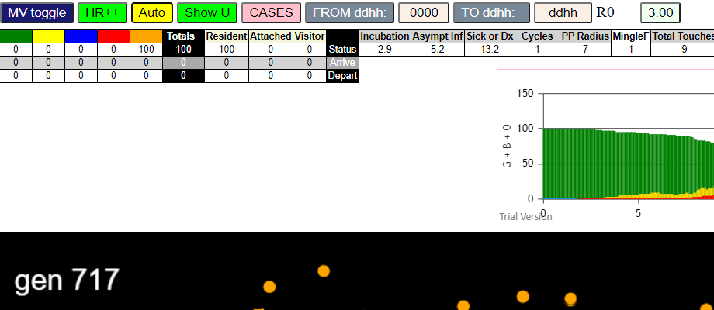
contactSimulation.js:2000 2I j:famKey 41:-1 infected by red i:famKey 5:-1 at gen 77 in Univ0
contactSimulation.js:2000 3I j:famKey 16:-1 infected by red i:famKey 5:-1 at gen 93 in Univ0
contactSimulation.js:2000 3I j:famKey 77:-1 infected by red i:famKey 5:-1 at gen 94 in Univ0
contactSimulation.js:2000 5I j:famKey 29:-1 infected by red i:famKey 5:-1 at gen 120 in Univ0
contactSimulation.js:2000 6I j:famKey 23:-1 infected by red i:famKey 5:-1 at gen 135 in Univ0
contactSimulation.js:2000 6I j:famKey 26:-1 infected by red i:famKey 5:-1 at gen 135 in Univ0
contactSimulation.js:2016 8I i:famKey 14:-1 infected by blue j:famKey 66:-1 at gen 157 in U0
contactSimulation.js:2000 9I j:famKey 68:-1 infected by red i:famKey 5:-1 at gen 170 in Univ0
contactSimulation.js:2016 10I i:famKey 19:-1 infected by blue j:famKey 66:-1 at gen 179 in U0
contactSimulation.js:2016 11I i:famKey 2:-1 infected by blue j:famKey 41:-1 at gen 189 in U0
contactSimulation.js:2016 12I i:famKey 6:-1 infected by blue j:famKey 16:-1 at gen 192 in U0
contactSimulation.js:2016 12I i:famKey 32:-1 infected by blue j:famKey 41:-1 at gen 192 in U0
contactSimulation.js:2000 12I j:famKey 95:-1 infected by blue i:famKey 77:-1 at gen 193 in Univ0
contactSimulation.js:2016 15I i:famKey 58:-1 infected by red j:famKey 66:-1 at gen 197 in U0
contactSimulation.js:2000 15I j:famKey 67:-1 infected by blue i:famKey 16:-1 at gen 198 in Univ0
contactSimulation.js:2000 17I j:famKey 44:-1 infected by blue i:famKey 29:-1 at gen 207 in Univ0
contactSimulation.js:2000 18I j:famKey 73:-1 infected by red i:famKey 41:-1 at gen 213 in Univ0
contactSimulation.js:2016 18I i:famKey 15:-1 infected by red j:famKey 41:-1 at gen 214 in U0
contactSimulation.js:2000 18I j:famKey 33:-1 infected by blue i:famKey 26:-1 at gen 214 in Univ0
contactSimulation.js:2000 21I j:famKey 51:-1 infected by blue i:famKey 26:-1 at gen 220 in Univ0
contactSimulation.js:2016 21I i:famKey 13:-1 infected by blue j:famKey 23:-1 at gen 221 in U0
contactSimulation.js:2016 23I i:famKey 50:-1 infected by red j:famKey 77:-1 at gen 223 in U0
contactSimulation.js:2000 24I j:famKey 27:-1 infected by red i:famKey 16:-1 at gen 225 in Univ0
contactSimulation.js:2000 24I j:famKey 76:-1 infected by red i:famKey 16:-1 at gen 226 in Univ0
contactSimulation.js:2016 24I i:famKey 69:-1 infected by red j:famKey 77:-1 at gen 226 in U0
contactSimulation.js:2000 25I j:famKey 70:-1 infected by red i:famKey 66:-1 at gen 227 in Univ0
contactSimulation.js:2016 28I i:famKey 8:-1 infected by blue j:famKey 23:-1 at gen 234 in U0
contactSimulation.js:2000 28I j:famKey 43:-1 infected by blue i:famKey 23:-1 at gen 235 in Univ0
contactSimulation.js:2000 30I j:famKey 38:-1 infected by blue i:famKey 23:-1 at gen 240 in Univ0
contactSimulation.js:2000 31I j:famKey 42:-1 infected by red i:famKey 41:-1 at gen 242 in Univ0
contactSimulation.js:2000 32I j:famKey 84:-1 infected by red i:famKey 41:-1 at gen 244 in Univ0
contactSimulation.js:2000 33I j:famKey 55:-1 infected by blue i:famKey 23:-1 at gen 246 in Univ0
contactSimulation.js:2000 34I j:famKey 78:-1 infected by blue i:famKey 23:-1 at gen 249 in Univ0
contactSimulation.js:2000 35I j:famKey 20:-1 infected by red i:famKey 16:-1 at gen 255 in Univ0
contactSimulation.js:2016 36I i:famKey 1:-1 infected by red j:famKey 16:-1 at gen 257 in U0
contactSimulation.js:2000 36I j:famKey 85:-1 infected by red i:famKey 26:-1 at gen 257 in Univ0
contactSimulation.js:2000 36I j:famKey 37:-1 infected by red i:famKey 26:-1 at gen 258 in Univ0
contactSimulation.js:2000 36I j:famKey 39:-1 infected by red i:famKey 26:-1 at gen 258 in Univ0
contactSimulation.js:2000 36I j:famKey 74:-1 infected by red i:famKey 29:-1 at gen 258 in Univ0
contactSimulation.js:2016 38I i:famKey 3:-1 infected by red j:famKey 26:-1 at gen 259 in U0
contactSimulation.js:2000 42I j:famKey 59:-1 infected by red i:famKey 41:-1 at gen 268 in Univ0
contactSimulation.js:2000 43I j:famKey 54:-1 infected by red i:famKey 16:-1 at gen 270 in Univ0
contactSimulation.js:2016 43I i:famKey 9:-1 infected by red j:famKey 41:-1 at gen 271 in U0
contactSimulation.js:2000 45I j:famKey 98:-1 infected by red i:famKey 14:-1 at gen 274 in Univ0
contactSimulation.js:2000 46I j:famKey 71:-1 infected by red i:famKey 14:-1 at gen 278 in Univ0
contactSimulation.js:2000 47I j:famKey 47:-1 infected by red i:famKey 29:-1 at gen 281 in Univ0
contactSimulation.js:2016 47I i:famKey 10:-1 infected by red j:famKey 14:-1 at gen 282 in U0
contactSimulation.js:2016 49I i:famKey 11:-1 infected by red j:famKey 77:-1 at gen 284 in U0
contactSimulation.js:2000 50I j:famKey 93:-1 infected by red i:famKey 14:-1 at gen 289 in Univ0
contactSimulation.js:2000 51I j:famKey 90:-1 infected by red i:famKey 41:-1 at gen 292 in Univ0
contactSimulation.js:2016 51I i:famKey 88:-1 infected by blue j:famKey 95:-1 at gen 292 in U0
contactSimulation.js:2016 51I i:famKey 49:-1 infected by red j:famKey 77:-1 at gen 293 in U0
contactSimulation.js:2000 53I j:famKey 83:-1 infected by blue i:famKey 2:-1 at gen 294 in Univ0
contactSimulation.js:2000 53I j:famKey 61:-1 infected by blue i:famKey 6:-1 at gen 294 in Univ0
contactSimulation.js:2000 54I j:famKey 92:-1 infected by red i:famKey 29:-1 at gen 295 in Univ0
contactSimulation.js:2000 54I j:famKey 94:-1 infected by blue i:famKey 33:-1 at gen 295 in Univ0
contactSimulation.js:2000 58I j:famKey 82:-1 infected by red i:famKey 14:-1 at gen 299 in Univ0
contactSimulation.js:2016 59I i:famKey 12:-1 infected by blue j:famKey 73:-1 at gen 302 in U0
contactSimulation.js:2016 59I i:famKey 28:-1 infected by blue j:famKey 95:-1 at gen 303 in U0
contactSimulation.js:2000 61I j:famKey 35:-1 infected by red i:famKey 2:-1 at gen 305 in Univ0
contactSimulation.js:2016 61I i:famKey 46:-1 infected by red j:famKey 68:-1 at gen 305 in U0
contactSimulation.js:2016 61I i:famKey 87:-1 infected by blue j:famKey 95:-1 at gen 305 in U0
contactSimulation.js:2000 64I j:famKey 86:-1 infected by red i:famKey 23:-1 at gen 309 in Univ0
contactSimulation.js:2000 64I j:famKey 17:-1 infected by blue i:famKey 6:-1 at gen 310 in Univ0
contactSimulation.js:2000 66I j:famKey 64:-1 infected by red i:famKey 29:-1 at gen 313 in Univ0
contactSimulation.js:2016 67I i:famKey 53:-1 infected by blue j:famKey 70:-1 at gen 318 in U0
contactSimulation.js:2000 67I j:famKey 97:-1 infected by blue i:famKey 44:-1 at gen 319 in Univ0
contactSimulation.js:2000 69I j:famKey 80:-1 infected by red i:famKey 32:-1 at gen 321 in Univ0
contactSimulation.js:2000 70I j:famKey 99:-1 infected by red i:famKey 19:-1 at gen 327 in Univ0
contactSimulation.js:2016 70I i:famKey 22:-1 infected by red j:famKey 77:-1 at gen 328 in U0
contactSimulation.js:2000 70I j:famKey 52:-1 infected by red i:famKey 23:-1 at gen 328 in Univ0
contactSimulation.js:2016 73I i:famKey 48:-1 infected by red j:famKey 77:-1 at gen 331 in U0
contactSimulation.js:2016 74I i:famKey 24:-1 infected by red j:famKey 26:-1 at gen 339 in U0
contactSimulation.js:2016 75I i:famKey 72:-1 infected by blue j:famKey 74:-1 at gen 341 in U0
contactSimulation.js:2000 76I j:famKey 96:-1 infected by blue i:famKey 43:-1 at gen 344 in Univ0
contactSimulation.js:2000 76I j:famKey 81:-1 infected by blue i:famKey 55:-1 at gen 345 in Univ0
contactSimulation.js:2000 76I j:famKey 63:-1 infected by blue i:famKey 59:-1 at gen 345 in Univ0
contactSimulation.js:2016 79I i:famKey 30:-1 infected by red j:famKey 33:-1 at gen 347 in U0
contactSimulation.js:2016 80I i:famKey 75:-1 infected by red j:famKey 95:-1 at gen 350 in U0
contactSimulation.js:2016 81I i:famKey 4:-1 infected by blue j:famKey 59:-1 at gen 352 in U0
contactSimulation.js:2000 81I j:famKey 89:-1 infected by blue i:famKey 78:-1 at gen 353 in Univ0
contactSimulation.js:2000 83I j:famKey 65:-1 infected by red i:famKey 6:-1 at gen 357 in Univ0
contactSimulation.js:2016 84I i:famKey 25:-1 infected by red j:famKey 33:-1 at gen 359 in U0
contactSimulation.js:2000 84I j:famKey 57:-1 infected by blue i:famKey 11:-1 at gen 360 in Univ0
contactSimulation.js:2000 86I j:famKey 62:-1 infected by red i:famKey 6:-1 at gen 364 in Univ0
contactSimulation.js:2000 87I j:famKey 60:-1 infected by red i:famKey 41:-1 at gen 366 in Univ0
contactSimulation.js:2016 87I i:famKey 56:-1 infected by red j:famKey 84:-1 at gen 367 in U0
contactSimulation.js:2016 89I i:famKey 31:-1 infected by red j:famKey 67:-1 at gen 373 in U0
contactSimulation.js:2000 89I j:famKey 36:-1 infected by blue i:famKey 9:-1 at gen 374 in Univ0
contactSimulation.js:2016 91I i:famKey 18:-1 infected by red j:famKey 43:-1 at gen 376 in U0
contactSimulation.js:2000 91I j:famKey 79:-1 infected by red i:famKey 78:-1 at gen 376 in Univ0
contactSimulation.js:2000 93I j:famKey 91:-1 infected by red i:famKey 39:-1 at gen 380 in Univ0
contactSimulation.js:2016 94I i:famKey 40:-1 infected by red j:famKey 43:-1 at gen 383 in U0
contactSimulation.js:2016 95I i:famKey 21:-1 infected by red j:famKey 58:-1 at gen 399 in U0
contactSimulation.js:2000 96I j:famKey 7:-1 infected by red i:famKey 3:-1 at gen 401 in Univ0
contactSimulation.js:2016 97I i:famKey 0:-1 infected by blue j:famKey 12:-1 at gen 403 in U0
contactSimulation.js:2016 98I i:famKey 45:-1 infected by red j:famKey 55:-1 at gen 417 in U0
contactSimulation.js:2016 99I i:famKey 34:-1 infected by blue j:famKey 53:-1 at gen 419 in U0

R7-2
contactSimulation.js:4162 exit covidSim
contactSimulation.js:23 getAsText File {name: "HundredAgentsU0mF1.csv", lastModified: 1608077990000, lastModifiedDate: Tue Dec 15 2020 16:19:50 GMT-0800 (Pacific Standard Time), webkitRelativePath: "", size: 2140, …}
contactSimulation.js:32 File {name: "HundredAgentsU0mF1.csv", lastModified: 1608077990000, lastModifiedDate: Tue Dec 15 2020 16:19:50 GMT-0800 (Pacific Standard Time), webkitRelativePath: "", size: 2140, …}
contactSimulation.js:23 getAsText File {name: "VL1.-2.9D.csv", lastModified: 1608491880000, lastModifiedDate: Sun Dec 20 2020 11:18:00 GMT-0800 (Pacific Standard Time), webkitRelativePath: "", size: 65, …}
contactSimulation.js:32 File {name: "VL1.-2.9D.csv", lastModified: 1608491880000, lastModifiedDate: Sun Dec 20 2020 11:18:00 GMT-0800 (Pacific Standard Time), webkitRelativePath: "", size: 65, …}
contactSimulation.js:2000 1I j:famKey 9:-1 infected by blue i:famKey 5:-1 at gen 16 in Univ0
contactSimulation.js:2000 2I j:famKey 6:-1 infected by red i:famKey 5:-1 at gen 95 in Univ0
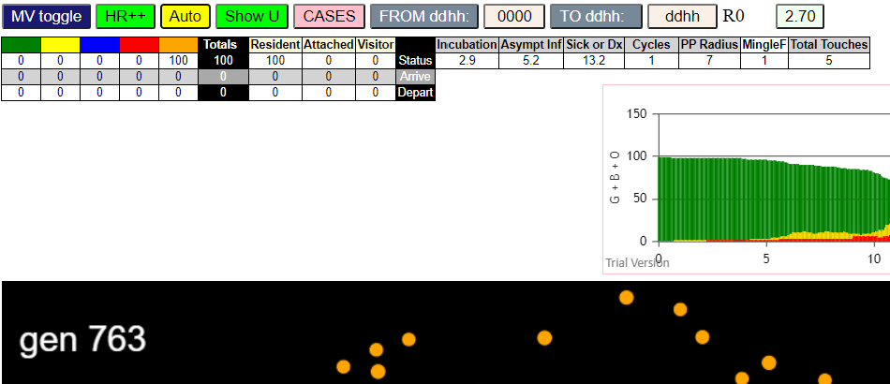
contactSimulation.js:2000 3I j:famKey 18:-1 infected by red i:famKey 5:-1 at gen 100 in Univ0
contactSimulation.js:2000 4I j:famKey 45:-1 infected by red i:famKey 5:-1 at gen 124 in Univ0
contactSimulation.js:2000 5I j:famKey 7:-1 infected by red i:famKey 5:-1 at gen 134 in Univ0
contactSimulation.js:2000 6I j:famKey 29:-1 infected by red i:famKey 5:-1 at gen 142 in Univ0
contactSimulation.js:2000 7I j:famKey 94:-1 infected by red i:famKey 9:-1 at gen 145 in Univ0
contactSimulation.js:2016 8I i:famKey 3:-1 infected by red j:famKey 9:-1 at gen 147 in U0
contactSimulation.js:2000 9I j:famKey 46:-1 infected by red i:famKey 5:-1 at gen 159 in Univ0
contactSimulation.js:2000 10I j:famKey 35:-1 infected by red i:famKey 5:-1 at gen 176 in Univ0
contactSimulation.js:2016 11I i:famKey 0:-1 infected by red j:famKey 5:-1 at gen 183 in U0
contactSimulation.js:2016 11I i:famKey 0:-1 infected by blue j:famKey 6:-1 at gen 183 in U0
contactSimulation.js:2000 12I j:famKey 38:-1 infected by red i:famKey 5:-1 at gen 200 in Univ0
contactSimulation.js:2000 13I j:famKey 58:-1 infected by blue i:famKey 45:-1 at gen 204 in Univ0
contactSimulation.js:2016 14I i:famKey 4:-1 infected by blue j:famKey 6:-1 at gen 212 in U0
contactSimulation.js:2000 15I j:famKey 24:-1 infected by blue i:famKey 7:-1 at gen 226 in Univ0
contactSimulation.js:2016 16I i:famKey 27:-1 infected by blue j:famKey 45:-1 at gen 236 in U0
contactSimulation.js:2000 17I j:famKey 92:-1 infected by blue i:famKey 7:-1 at gen 240 in Univ0
contactSimulation.js:2000 17I j:famKey 8:-1 infected by red i:famKey 5:-1 at gen 241 in Univ0
contactSimulation.js:2000 19I j:famKey 50:-1 infected by red i:famKey 6:-1 at gen 243 in Univ0
contactSimulation.js:2000 20I j:famKey 44:-1 infected by blue i:famKey 29:-1 at gen 247 in Univ0
contactSimulation.js:2016 21I i:famKey 15:-1 infected by blue j:famKey 94:-1 at gen 250 in U0
contactSimulation.js:2000 21I j:famKey 61:-1 infected by red i:famKey 45:-1 at gen 250 in Univ0
contactSimulation.js:2000 21I j:famKey 21:-1 infected by red i:famKey 6:-1 at gen 251 in Univ0
contactSimulation.js:2000 21I j:famKey 85:-1 infected by blue i:famKey 35:-1 at gen 251 in Univ0
contactSimulation.js:2000 25I j:famKey 71:-1 infected by blue i:famKey 29:-1 at gen 255 in Univ0
contactSimulation.js:2000 26I j:famKey 73:-1 infected by blue i:famKey 35:-1 at gen 257 in Univ0
contactSimulation.js:2000 27I j:famKey 57:-1 infected by red i:famKey 7:-1 at gen 260 in Univ0
contactSimulation.js:2000 28I j:famKey 79:-1 infected by red i:famKey 6:-1 at gen 263 in Univ0
contactSimulation.js:2000 29I j:famKey 13:-1 infected by red i:famKey 6:-1 at gen 266 in Univ0
contactSimulation.js:2000 30I j:famKey 20:-1 infected by blue i:famKey 3:-1 at gen 268 in Univ0
contactSimulation.js:2016 31I i:famKey 47:-1 infected by red j:famKey 94:-1 at gen 270 in U0
contactSimulation.js:2000 32I j:famKey 59:-1 infected by red i:famKey 3:-1 at gen 276 in Univ0
contactSimulation.js:2016 33I i:famKey 19:-1 infected by blue j:famKey 35:-1 at gen 279 in U0
contactSimulation.js:2000 33I j:famKey 62:-1 infected by red i:famKey 18:-1 at gen 280 in Univ0
contactSimulation.js:2000 33I j:famKey 53:-1 infected by blue i:famKey 35:-1 at gen 280 in Univ0
contactSimulation.js:2000 34I j:famKey 41:-1 infected by red i:famKey 3:-1 at gen 281 in Univ0
contactSimulation.js:2000 37I j:famKey 36:-1 infected by blue i:famKey 0:-1 at gen 283 in Univ0
contactSimulation.js:2000 37I j:famKey 42:-1 infected by blue i:famKey 35:-1 at gen 284 in Univ0
contactSimulation.js:2000 37I j:famKey 66:-1 infected by red i:famKey 46:-1 at gen 284 in Univ0
contactSimulation.js:2000 40I j:famKey 12:-1 infected by red i:famKey 7:-1 at gen 288 in Univ0
contactSimulation.js:2000 41I j:famKey 98:-1 infected by red i:famKey 7:-1 at gen 290 in Univ0
contactSimulation.js:2016 41I i:famKey 39:-1 infected by red j:famKey 94:-1 at gen 290 in U0
contactSimulation.js:2000 41I j:famKey 60:-1 infected by red i:famKey 45:-1 at gen 290 in Univ0
contactSimulation.js:2000 44I j:famKey 74:-1 infected by blue i:famKey 0:-1 at gen 294 in Univ0
contactSimulation.js:2000 45I j:famKey 40:-1 infected by blue i:famKey 0:-1 at gen 302 in Univ0
contactSimulation.js:2000 45I j:famKey 99:-1 infected by red i:famKey 3:-1 at gen 303 in Univ0
contactSimulation.js:2016 45I i:famKey 32:-1 infected by blue j:famKey 58:-1 at gen 303 in U0
contactSimulation.js:2000 48I j:famKey 34:-1 infected by red i:famKey 6:-1 at gen 307 in Univ0
contactSimulation.js:2000 48I j:famKey 76:-1 infected by red i:famKey 35:-1 at gen 307 in Univ0
contactSimulation.js:2000 50I j:famKey 33:-1 infected by red i:famKey 0:-1 at gen 309 in Univ0
contactSimulation.js:2000 50I j:famKey 63:-1 infected by red i:famKey 29:-1 at gen 309 in Univ0
contactSimulation.js:2000 52I j:famKey 72:-1 infected by red i:famKey 29:-1 at gen 311 in Univ0
contactSimulation.js:2000 53I j:famKey 26:-1 infected by red i:famKey 0:-1 at gen 314 in Univ0
contactSimulation.js:2000 54I j:famKey 14:-1 infected by red i:famKey 3:-1 at gen 316 in Univ0
contactSimulation.js:2000 54I j:famKey 81:-1 infected by red i:famKey 45:-1 at gen 317 in Univ0
contactSimulation.js:2000 56I j:famKey 93:-1 infected by red i:famKey 6:-1 at gen 324 in Univ0
contactSimulation.js:2000 57I j:famKey 43:-1 infected by red i:famKey 35:-1 at gen 328 in Univ0
contactSimulation.js:2000 57I j:famKey 48:-1 infected by red i:famKey 46:-1 at gen 328 in Univ0
contactSimulation.js:2000 57I j:famKey 82:-1 infected by red i:famKey 6:-1 at gen 329 in Univ0
contactSimulation.js:2016 59I i:famKey 11:-1 infected by red j:famKey 35:-1 at gen 330 in U0
contactSimulation.js:2016 60I i:famKey 37:-1 infected by blue j:famKey 85:-1 at gen 331 in U0
contactSimulation.js:2016 61I i:famKey 1:-1 infected by red j:famKey 4:-1 at gen 332 in U0
contactSimulation.js:2016 61I i:famKey 31:-1 infected by red j:famKey 45:-1 at gen 332 in U0
contactSimulation.js:2000 64I j:famKey 90:-1 infected by blue i:famKey 27:-1 at gen 335 in Univ0
contactSimulation.js:2000 64I j:famKey 88:-1 infected by red i:famKey 29:-1 at gen 335 in Univ0
contactSimulation.js:2000 66I j:famKey 75:-1 infected by red i:famKey 6:-1 at gen 337 in Univ0
contactSimulation.js:2016 67I i:famKey 55:-1 infected by blue j:famKey 92:-1 at gen 350 in U0
contactSimulation.js:2000 67I j:famKey 69:-1 infected by blue i:famKey 15:-1 at gen 351 in Univ0
contactSimulation.js:2000 68I j:famKey 64:-1 infected by blue i:famKey 61:-1 at gen 352 in Univ0
contactSimulation.js:2016 69I i:famKey 28:-1 infected by blue j:famKey 71:-1 at gen 353 in U0
contactSimulation.js:2000 70I j:famKey 23:-1 infected by red i:famKey 0:-1 at gen 354 in Univ0
contactSimulation.js:2000 70I j:famKey 16:-1 infected by blue i:famKey 15:-1 at gen 354 in Univ0
contactSimulation.js:2000 73I j:famKey 70:-1 infected by red i:famKey 0:-1 at gen 358 in Univ0
contactSimulation.js:2000 74I j:famKey 65:-1 infected by red i:famKey 6:-1 at gen 362 in Univ0
contactSimulation.js:2000 74I j:famKey 89:-1 infected by blue i:famKey 13:-1 at gen 362 in Univ0
contactSimulation.js:2000 74I j:famKey 95:-1 infected by blue i:famKey 59:-1 at gen 363 in Univ0
contactSimulation.js:2000 74I j:famKey 91:-1 infected by blue i:famKey 73:-1 at gen 363 in Univ0
contactSimulation.js:2000 76I j:famKey 51:-1 infected by blue i:famKey 20:-1 at gen 364 in Univ0
contactSimulation.js:2000 78I j:famKey 78:-1 infected by red i:famKey 44:-1 at gen 365 in Univ0
contactSimulation.js:2000 80I j:famKey 80:-1 infected by red i:famKey 3:-1 at gen 367 in Univ0
contactSimulation.js:2000 81I j:famKey 77:-1 infected by red i:famKey 6:-1 at gen 373 in Univ0
contactSimulation.js:2000 81I j:famKey 84:-1 infected by blue i:famKey 59:-1 at gen 373 in Univ0
contactSimulation.js:2000 83I j:famKey 68:-1 infected by blue i:famKey 42:-1 at gen 375 in Univ0
contactSimulation.js:2000 84I j:famKey 86:-1 infected by blue i:famKey 59:-1 at gen 378 in Univ0
contactSimulation.js:2000 84I j:famKey 67:-1 infected by blue i:famKey 66:-1 at gen 378 in Univ0
contactSimulation.js:2000 86I j:famKey 96:-1 infected by red i:famKey 35:-1 at gen 381 in Univ0
contactSimulation.js:2016 86I i:famKey 22:-1 infected by red j:famKey 38:-1 at gen 382 in U0
contactSimulation.js:2000 86I j:famKey 56:-1 infected by red i:famKey 24:-1 at gen 382 in Univ0
contactSimulation.js:2016 89I i:famKey 17:-1 infected by blue j:famKey 53:-1 at gen 385 in U0
contactSimulation.js:2016 90I i:famKey 30:-1 infected by red j:famKey 79:-1 at gen 392 in U0
contactSimulation.js:2000 91I j:famKey 97:-1 infected by blue i:famKey 74:-1 at gen 401 in Univ0
contactSimulation.js:2016 92I i:famKey 54:-1 infected by red j:famKey 59:-1 at gen 407 in U0
contactSimulation.js:2000 93I j:famKey 87:-1 infected by red i:famKey 24:-1 at gen 409 in Univ0
contactSimulation.js:2016 94I i:famKey 25:-1 infected by red j:famKey 39:-1 at gen 413 in U0
contactSimulation.js:2016 94I i:famKey 49:-1 infected by red j:famKey 50:-1 at gen 413 in U0
contactSimulation.js:2016 96I i:famKey 10:-1 infected by red j:famKey 42:-1 at gen 416 in U0
contactSimulation.js:2016 97I i:famKey 2:-1 infected by red j:famKey 21:-1 at gen 419 in U0
contactSimulation.js:2000 98I j:famKey 83:-1 infected by blue i:famKey 64:-1 at gen 449 in Univ0
contactSimulation.js:2000 99I j:famKey 52:-1 infected by blue i:famKey 51:-1 at gen 460 in Univ0

R7-3
contactSimulation.js:4162 exit covidSim
contactSimulation.js:23 getAsText File {name: "HundredAgentsU0mF1.csv", lastModified: 1608077990000, lastModifiedDate: Tue Dec 15 2020 16:19:50 GMT-0800 (Pacific Standard Time), webkitRelativePath: "", size: 2140, …}
contactSimulation.js:32 File {name: "HundredAgentsU0mF1.csv", lastModified: 1608077990000, lastModifiedDate: Tue Dec 15 2020 16:19:50 GMT-0800 (Pacific Standard Time), webkitRelativePath: "", size: 2140, …}
contactSimulation.js:23 getAsText File {name: "VL1.-2.9D.csv", lastModified: 1608491880000, lastModifiedDate: Sun Dec 20 2020 11:18:00 GMT-0800 (Pacific Standard Time), webkitRelativePath: "", size: 65, …}
contactSimulation.js:32 File {name: "VL1.-2.9D.csv", lastModified: 1608491880000, lastModifiedDate: Sun Dec 20 2020 11:18:00 GMT-0800 (Pacific Standard Time), webkitRelativePath: "", size: 65, …}
contactSimulation.js:2000 1I j:famKey 43:-1 infected by blue i:famKey 5:-1 at gen 28 in Univ0
contactSimulation.js:2000 2I j:famKey 53:-1 infected by blue i:famKey 5:-1 at gen 34 in Univ0
contactSimulation.js:2000 3I j:famKey 80:-1 infected by blue i:famKey 5:-1 at gen 44 in Univ0
contactSimulation.js:2000 4I j:famKey 78:-1 infected by red i:famKey 5:-1 at gen 50 in Univ0
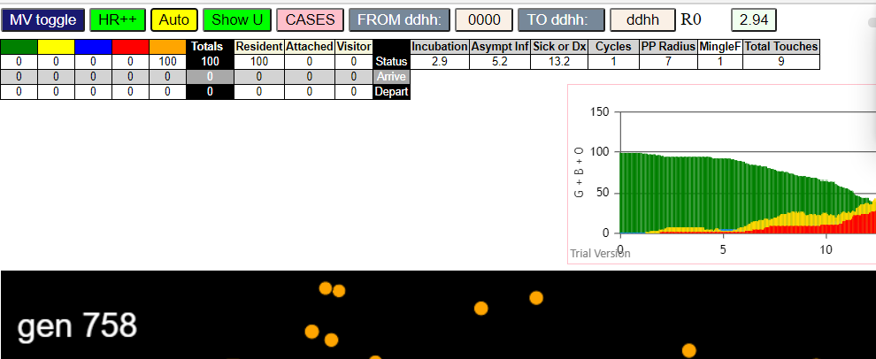
contactSimulation.js:2000 5I j:famKey 28:-1 infected by red i:famKey 5:-1 at gen 53 in Univ0
contactSimulation.js:2016 6I i:famKey 16:-1 infected by blue j:famKey 43:-1 at gen 108 in U0
contactSimulation.js:2000 7I j:famKey 64:-1 infected by red i:famKey 5:-1 at gen 110 in Univ0
contactSimulation.js:2000 8I j:famKey 31:-1 infected by red i:famKey 5:-1 at gen 131 in Univ0
contactSimulation.js:2000 9I j:famKey 98:-1 infected by blue i:famKey 78:-1 at gen 136 in Univ0
contactSimulation.js:2016 10I i:famKey 32:-1 infected by blue j:famKey 80:-1 at gen 139 in U0
contactSimulation.js:2000 11I j:famKey 92:-1 infected by red i:famKey 43:-1 at gen 144 in Univ0
contactSimulation.js:2016 12I i:famKey 33:-1 infected by blue j:famKey 80:-1 at gen 148 in U0
contactSimulation.js:2016 12I i:famKey 39:-1 infected by blue j:famKey 80:-1 at gen 149 in U0
contactSimulation.js:2000 14I j:famKey 48:-1 infected by red i:famKey 43:-1 at gen 151 in Univ0
contactSimulation.js:2016 15I i:famKey 40:-1 infected by blue j:famKey 78:-1 at gen 154 in U0
contactSimulation.js:2000 16I j:famKey 84:-1 infected by red i:famKey 43:-1 at gen 161 in Univ0
contactSimulation.js:2000 17I j:famKey 88:-1 infected by red i:famKey 5:-1 at gen 167 in Univ0
contactSimulation.js:2000 18I j:famKey 89:-1 infected by red i:famKey 53:-1 at gen 174 in Univ0
contactSimulation.js:2016 18I i:famKey 34:-1 infected by red j:famKey 78:-1 at gen 175 in U0
contactSimulation.js:2000 20I j:famKey 42:-1 infected by red i:famKey 5:-1 at gen 178 in Univ0
contactSimulation.js:2000 21I j:famKey 76:-1 infected by red i:famKey 28:-1 at gen 182 in Univ0
contactSimulation.js:2016 22I i:famKey 27:-1 infected by red j:famKey 43:-1 at gen 185 in U0
contactSimulation.js:2000 22I j:famKey 54:-1 infected by red i:famKey 5:-1 at gen 186 in Univ0
contactSimulation.js:2000 24I j:famKey 44:-1 infected by red i:famKey 28:-1 at gen 194 in Univ0
contactSimulation.js:2000 25I j:famKey 87:-1 infected by red i:famKey 28:-1 at gen 199 in Univ0
contactSimulation.js:2000 25I j:famKey 52:-1 infected by red i:famKey 5:-1 at gen 200 in Univ0
contactSimulation.js:2016 27I i:famKey 2:-1 infected by blue j:famKey 16:-1 at gen 205 in U0
contactSimulation.js:2016 28I i:famKey 10:-1 infected by blue j:famKey 16:-1 at gen 207 in U0
contactSimulation.js:2016 29I i:famKey 25:-1 infected by blue j:famKey 98:-1 at gen 210 in U0
contactSimulation.js:2016 30I i:famKey 7:-1 infected by red j:famKey 28:-1 at gen 220 in U0
contactSimulation.js:2016 31I i:famKey 4:-1 infected by blue j:famKey 39:-1 at gen 225 in U0
contactSimulation.js:2016 32I i:famKey 23:-1 infected by red j:famKey 64:-1 at gen 232 in U0
contactSimulation.js:2016 33I i:famKey 9:-1 infected by red j:famKey 78:-1 at gen 234 in U0
contactSimulation.js:2000 34I j:famKey 45:-1 infected by blue i:famKey 32:-1 at gen 236 in Univ0
contactSimulation.js:2000 35I j:famKey 59:-1 infected by blue i:famKey 33:-1 at gen 245 in Univ0
contactSimulation.js:2000 36I j:famKey 74:-1 infected by blue i:famKey 40:-1 at gen 253 in Univ0
contactSimulation.js:2000 36I j:famKey 46:-1 infected by blue i:famKey 42:-1 at gen 253 in Univ0
contactSimulation.js:2000 36I j:famKey 68:-1 infected by red i:famKey 16:-1 at gen 254 in Univ0
contactSimulation.js:2000 36I j:famKey 68:-1 infected by blue i:famKey 39:-1 at gen 254 in Univ0
contactSimulation.js:2000 39I j:famKey 55:-1 infected by blue i:famKey 33:-1 at gen 256 in Univ0
contactSimulation.js:2000 39I j:famKey 93:-1 infected by blue i:famKey 42:-1 at gen 257 in Univ0
contactSimulation.js:2016 41I i:famKey 47:-1 infected by red j:famKey 92:-1 at gen 259 in U0
contactSimulation.js:2016 42I i:famKey 62:-1 infected by blue j:famKey 88:-1 at gen 262 in U0
contactSimulation.js:2016 43I i:famKey 50:-1 infected by red j:famKey 64:-1 at gen 265 in U0
contactSimulation.js:2016 44I i:famKey 6:-1 infected by red j:famKey 78:-1 at gen 269 in U0
contactSimulation.js:2016 44I i:famKey 21:-1 infected by blue j:famKey 88:-1 at gen 270 in U0
contactSimulation.js:2016 45I i:famKey 35:-1 infected by red j:famKey 64:-1 at gen 271 in U0
contactSimulation.js:2000 47I j:famKey 60:-1 infected by blue i:famKey 42:-1 at gen 274 in Univ0
contactSimulation.js:2016 47I i:famKey 66:-1 infected by blue j:famKey 84:-1 at gen 275 in U0
contactSimulation.js:2000 47I j:famKey 83:-1 infected by red i:famKey 78:-1 at gen 275 in Univ0
contactSimulation.js:2000 48I j:famKey 57:-1 infected by red i:famKey 32:-1 at gen 276 in Univ0
contactSimulation.js:2000 50I j:famKey 58:-1 infected by blue i:famKey 2:-1 at gen 277 in Univ0
contactSimulation.js:2000 51I j:famKey 95:-1 infected by blue i:famKey 2:-1 at gen 278 in Univ0
contactSimulation.js:2000 53I j:famKey 49:-1 infected by blue i:famKey 42:-1 at gen 280 in Univ0
contactSimulation.js:2016 54I i:famKey 20:-1 infected by red j:famKey 32:-1 at gen 283 in U0
contactSimulation.js:2016 55I i:famKey 70:-1 infected by red j:famKey 80:-1 at gen 285 in U0
contactSimulation.js:2000 56I j:famKey 26:-1 infected by blue i:famKey 7:-1 at gen 294 in Univ0
contactSimulation.js:2016 56I i:famKey 41:-1 infected by red j:famKey 88:-1 at gen 294 in U0
contactSimulation.js:2000 56I j:famKey 81:-1 infected by red i:famKey 80:-1 at gen 294 in Univ0
contactSimulation.js:2000 56I j:famKey 96:-1 infected by red i:famKey 88:-1 at gen 295 in Univ0
contactSimulation.js:2016 59I i:famKey 12:-1 infected by blue j:famKey 52:-1 at gen 296 in U0
contactSimulation.js:2016 61I i:famKey 1:-1 infected by red j:famKey 80:-1 at gen 302 in U0
contactSimulation.js:2000 62I j:famKey 65:-1 infected by red i:famKey 54:-1 at gen 304 in Univ0
contactSimulation.js:2016 62I i:famKey 19:-1 infected by red j:famKey 80:-1 at gen 305 in U0
contactSimulation.js:2000 62I j:famKey 90:-1 infected by red i:famKey 32:-1 at gen 305 in Univ0
contactSimulation.js:2016 62I i:famKey 37:-1 infected by red j:famKey 80:-1 at gen 305 in U0
contactSimulation.js:2016 66I i:famKey 69:-1 infected by red j:famKey 88:-1 at gen 310 in U0
contactSimulation.js:2016 67I i:famKey 18:-1 infected by red j:famKey 33:-1 at gen 315 in U0
contactSimulation.js:2000 67I j:famKey 71:-1 infected by red i:famKey 54:-1 at gen 315 in Univ0
contactSimulation.js:2016 69I i:famKey 0:-1 infected by red j:famKey 54:-1 at gen 317 in U0
contactSimulation.js:2016 70I i:famKey 17:-1 infected by red j:famKey 89:-1 at gen 319 in U0
contactSimulation.js:2016 71I i:famKey 51:-1 infected by red j:famKey 80:-1 at gen 324 in U0
contactSimulation.js:2000 72I j:famKey 15:-1 infected by red i:famKey 10:-1 at gen 329 in Univ0
contactSimulation.js:2000 72I j:famKey 77:-1 infected by red i:famKey 32:-1 at gen 330 in Univ0
contactSimulation.js:2000 74I j:famKey 38:-1 infected by red i:famKey 7:-1 at gen 343 in Univ0
contactSimulation.js:2000 75I j:famKey 67:-1 infected by red i:famKey 4:-1 at gen 345 in Univ0
contactSimulation.js:2000 76I j:famKey 63:-1 infected by red i:famKey 54:-1 at gen 351 in Univ0
contactSimulation.js:2016 77I i:famKey 3:-1 infected by red j:famKey 88:-1 at gen 354 in U0
contactSimulation.js:2000 78I j:famKey 82:-1 infected by red i:famKey 59:-1 at gen 367 in Univ0
contactSimulation.js:2000 78I j:famKey 75:-1 infected by blue i:famKey 21:-1 at gen 368 in Univ0
contactSimulation.js:2000 80I j:famKey 36:-1 infected by red i:famKey 33:-1 at gen 370 in Univ0
contactSimulation.js:2000 81I j:famKey 85:-1 infected by blue i:famKey 21:-1 at gen 372 in Univ0
contactSimulation.js:2016 82I i:famKey 13:-1 infected by red j:famKey 76:-1 at gen 382 in U0
contactSimulation.js:2000 82I j:famKey 94:-1 infected by blue i:famKey 12:-1 at gen 383 in Univ0
contactSimulation.js:2016 84I i:famKey 14:-1 infected by red j:famKey 32:-1 at gen 388 in U0
contactSimulation.js:2000 84I j:famKey 79:-1 infected by red i:famKey 33:-1 at gen 388 in Univ0
contactSimulation.js:2016 86I i:famKey 29:-1 infected by blue j:famKey 77:-1 at gen 402 in U0
contactSimulation.js:2000 86I j:famKey 97:-1 infected by red i:famKey 62:-1 at gen 403 in Univ0
contactSimulation.js:2000 88I j:famKey 61:-1 infected by red i:famKey 23:-1 at gen 410 in Univ0
contactSimulation.js:2016 89I i:famKey 22:-1 infected by blue j:famKey 77:-1 at gen 416 in U0
contactSimulation.js:2016 89I i:famKey 8:-1 infected by red j:famKey 65:-1 at gen 417 in U0
contactSimulation.js:2000 89I j:famKey 73:-1 infected by red i:famKey 21:-1 at gen 417 in Univ0
contactSimulation.js:2000 92I j:famKey 91:-1 infected by blue i:famKey 77:-1 at gen 426 in Univ0
contactSimulation.js:2000 93I j:famKey 72:-1 infected by blue i:famKey 71:-1 at gen 429 in Univ0
contactSimulation.js:2000 94I j:famKey 99:-1 infected by red i:famKey 21:-1 at gen 438 in Univ0
contactSimulation.js:2016 95I i:famKey 24:-1 infected by red j:famKey 95:-1 at gen 443 in U0
contactSimulation.js:2016 96I i:famKey 11:-1 infected by red j:famKey 95:-1 at gen 448 in U0
contactSimulation.js:2016 96I i:famKey 30:-1 infected by red j:famKey 71:-1 at gen 448 in U0
contactSimulation.js:2000 98I j:famKey 56:-1 infected by red i:famKey 21:-1 at gen 464 in Univ0
contactSimulation.js:2016 99I i:famKey 86:-1 infected by red j:famKey 95:-1 at gen 468 in U0

R7.5
contactSimulation.js:4162 exit covidSim
contactSimulation.js:23 getAsText File {name: "HundredAgentsU0mF1.csv", lastModified: 1608077990000, lastModifiedDate: Tue Dec 15 2020 16:19:50 GMT-0800 (Pacific Standard Time), webkitRelativePath: "", size: 2140, …}
contactSimulation.js:32 File {name: "HundredAgentsU0mF1.csv", lastModified: 1608077990000, lastModifiedDate: Tue Dec 15 2020 16:19:50 GMT-0800 (Pacific Standard Time), webkitRelativePath: "", size: 2140, …}
contactSimulation.js:23 getAsText File {name: "VL1.-2.9D.csv", lastModified: 1608491880000, lastModifiedDate: Sun Dec 20 2020 11:18:00 GMT-0800 (Pacific Standard Time), webkitRelativePath: "", size: 65, …}
contactSimulation.js:32 File {name: "VL1.-2.9D.csv", lastModified: 1608491880000, lastModifiedDate: Sun Dec 20 2020 11:18:00 GMT-0800 (Pacific Standard Time), webkitRelativePath: "", size: 65, …}
contactSimulation.js:2000 1I j:famKey 28:-1 infected by blue i:famKey 5:-1 at gen 30 in Univ0
contactSimulation.js:2000 2I j:famKey 33:-1 infected by blue i:famKey 5:-1 at gen 34 in Univ0
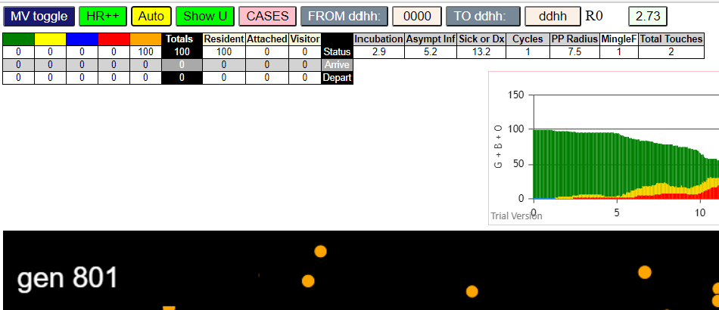
contactSimulation.js:2000 3I j:famKey 48:-1 infected by blue i:famKey 5:-1 at gen 54 in Univ0
contactSimulation.js:2000 4I j:famKey 11:-1 infected by red i:famKey 5:-1 at gen 64 in Univ0
contactSimulation.js:2000 5I j:famKey 35:-1 infected by red i:famKey 5:-1 at gen 119 in Univ0
contactSimulation.js:2000 6I j:famKey 91:-1 infected by blue i:famKey 28:-1 at gen 126 in Univ0
contactSimulation.js:2000 6I j:famKey 46:-1 infected by blue i:famKey 28:-1 at gen 127 in Univ0
contactSimulation.js:2000 7I j:famKey 32:-1 infected by red i:famKey 5:-1 at gen 128 in Univ0
contactSimulation.js:2016 9I i:famKey 20:-1 infected by blue j:famKey 28:-1 at gen 132 in U0
contactSimulation.js:2016 9I i:famKey 15:-1 infected by blue j:famKey 33:-1 at gen 133 in U0
contactSimulation.js:2016 11I i:famKey 9:-1 infected by blue j:famKey 33:-1 at gen 140 in U0
contactSimulation.js:2000 11I j:famKey 51:-1 infected by blue i:famKey 28:-1 at gen 140 in Univ0
contactSimulation.js:2000 13I j:famKey 90:-1 infected by blue i:famKey 33:-1 at gen 145 in Univ0
contactSimulation.js:2000 14I j:famKey 98:-1 infected by red i:famKey 33:-1 at gen 148 in Univ0
contactSimulation.js:2016 15I i:famKey 2:-1 infected by red j:famKey 5:-1 at gen 156 in U0
contactSimulation.js:2016 15I i:famKey 25:-1 infected by red j:famKey 28:-1 at gen 156 in U0
contactSimulation.js:2000 17I j:famKey 62:-1 infected by red i:famKey 33:-1 at gen 169 in Univ0
contactSimulation.js:2000 18I j:famKey 87:-1 infected by blue i:famKey 11:-1 at gen 175 in Univ0
contactSimulation.js:2000 18I j:famKey 53:-1 infected by red i:famKey 33:-1 at gen 176 in Univ0
contactSimulation.js:2000 20I j:famKey 81:-1 infected by blue i:famKey 11:-1 at gen 182 in Univ0
contactSimulation.js:2000 21I j:famKey 92:-1 infected by red i:famKey 48:-1 at gen 188 in Univ0
contactSimulation.js:2000 22I j:famKey 64:-1 infected by blue i:famKey 32:-1 at gen 204 in Univ0
contactSimulation.js:2000 22I j:famKey 71:-1 infected by blue i:famKey 32:-1 at gen 204 in Univ0
contactSimulation.js:2000 24I j:famKey 75:-1 infected by red i:famKey 5:-1 at gen 212 in Univ0
contactSimulation.js:2000 24I j:famKey 76:-1 infected by blue i:famKey 46:-1 at gen 212 in Univ0
contactSimulation.js:2016 26I i:famKey 50:-1 infected by blue j:famKey 90:-1 at gen 225 in U0
contactSimulation.js:2000 26I j:famKey 79:-1 infected by red i:famKey 48:-1 at gen 226 in Univ0
contactSimulation.js:2000 28I j:famKey 96:-1 infected by blue i:famKey 15:-1 at gen 230 in Univ0
contactSimulation.js:2000 29I j:famKey 85:-1 infected by blue i:famKey 32:-1 at gen 234 in Univ0
contactSimulation.js:2016 30I i:famKey 43:-1 infected by red j:famKey 48:-1 at gen 239 in U0
contactSimulation.js:2000 30I j:famKey 54:-1 infected by blue i:famKey 32:-1 at gen 240 in Univ0
contactSimulation.js:2016 32I i:famKey 27:-1 infected by blue j:famKey 91:-1 at gen 242 in U0
contactSimulation.js:2016 32I i:famKey 69:-1 infected by blue j:famKey 90:-1 at gen 242 in U0
contactSimulation.js:2000 32I j:famKey 78:-1 infected by red i:famKey 48:-1 at gen 243 in Univ0
contactSimulation.js:2000 35I j:famKey 52:-1 infected by red i:famKey 11:-1 at gen 245 in Univ0
contactSimulation.js:2016 35I i:famKey 34:-1 infected by blue j:famKey 62:-1 at gen 245 in U0
contactSimulation.js:2000 37I j:famKey 44:-1 infected by blue i:famKey 20:-1 at gen 248 in Univ0
contactSimulation.js:2016 37I i:famKey 84:-1 infected by blue j:famKey 90:-1 at gen 249 in U0
contactSimulation.js:2000 38I j:famKey 47:-1 infected by blue i:famKey 9:-1 at gen 250 in Univ0
contactSimulation.js:2016 38I i:famKey 18:-1 infected by red j:famKey 48:-1 at gen 250 in U0
contactSimulation.js:2016 41I i:famKey 70:-1 infected by blue j:famKey 90:-1 at gen 254 in U0
contactSimulation.js:2000 42I j:famKey 41:-1 infected by red i:famKey 28:-1 at gen 268 in Univ0
contactSimulation.js:2000 42I j:famKey 94:-1 infected by blue i:famKey 62:-1 at gen 268 in Univ0
contactSimulation.js:2000 44I j:famKey 88:-1 infected by blue i:famKey 81:-1 at gen 274 in Univ0
contactSimulation.js:2000 45I j:famKey 99:-1 infected by red i:famKey 48:-1 at gen 277 in Univ0
contactSimulation.js:2016 45I i:famKey 38:-1 infected by blue j:famKey 53:-1 at gen 278 in U0
contactSimulation.js:2000 47I j:famKey 95:-1 infected by red i:famKey 90:-1 at gen 280 in Univ0
contactSimulation.js:2016 47I i:famKey 66:-1 infected by blue j:famKey 81:-1 at gen 281 in U0
contactSimulation.js:2016 49I i:famKey 45:-1 infected by blue j:famKey 53:-1 at gen 284 in U0
contactSimulation.js:2016 50I i:famKey 4:-1 infected by red j:famKey 90:-1 at gen 288 in U0
contactSimulation.js:2016 50I i:famKey 57:-1 infected by red j:famKey 62:-1 at gen 288 in U0
contactSimulation.js:2016 52I i:famKey 3:-1 infected by red j:famKey 33:-1 at gen 290 in U0
contactSimulation.js:2016 52I i:famKey 13:-1 infected by red j:famKey 25:-1 at gen 290 in U0
contactSimulation.js:2016 54I i:famKey 23:-1 infected by blue j:famKey 81:-1 at gen 294 in U0
contactSimulation.js:2000 54I j:famKey 36:-1 infected by red i:famKey 9:-1 at gen 295 in Univ0
contactSimulation.js:2000 55I j:famKey 63:-1 infected by red i:famKey 62:-1 at gen 296 in Univ0
contactSimulation.js:2016 57I i:famKey 72:-1 infected by red j:famKey 92:-1 at gen 306 in U0
contactSimulation.js:2000 58I j:famKey 58:-1 infected by red i:famKey 9:-1 at gen 311 in Univ0
contactSimulation.js:2016 58I i:famKey 21:-1 infected by red j:famKey 81:-1 at gen 311 in U0
contactSimulation.js:2016 60I i:famKey 29:-1 infected by red j:famKey 62:-1 at gen 315 in U0
contactSimulation.js:2016 60I i:famKey 29:-1 infected by blue j:famKey 76:-1 at gen 315 in U0
contactSimulation.js:2016 61I i:famKey 55:-1 infected by red j:famKey 81:-1 at gen 318 in U0
contactSimulation.js:2016 62I i:famKey 26:-1 infected by red j:famKey 92:-1 at gen 320 in U0
contactSimulation.js:2000 62I j:famKey 86:-1 infected by blue i:famKey 75:-1 at gen 320 in Univ0
contactSimulation.js:2000 64I j:famKey 65:-1 infected by blue i:famKey 34:-1 at gen 325 in Univ0
contactSimulation.js:2016 64I i:famKey 61:-1 infected by blue j:famKey 79:-1 at gen 325 in U0
contactSimulation.js:2000 66I j:famKey 89:-1 infected by blue i:famKey 50:-1 at gen 333 in Univ0
contactSimulation.js:2016 66I i:famKey 8:-1 infected by red j:famKey 33:-1 at gen 334 in U0
contactSimulation.js:2000 66I j:famKey 73:-1 infected by red i:famKey 62:-1 at gen 334 in Univ0
contactSimulation.js:2016 69I i:famKey 40:-1 infected by red j:famKey 75:-1 at gen 337 in U0
contactSimulation.js:2000 70I j:famKey 68:-1 infected by blue i:famKey 34:-1 at gen 341 in Univ0
contactSimulation.js:2016 70I i:famKey 30:-1 infected by blue j:famKey 34:-1 at gen 342 in U0
contactSimulation.js:2000 72I j:famKey 97:-1 infected by blue i:famKey 84:-1 at gen 345 in Univ0
contactSimulation.js:2000 73I j:famKey 80:-1 infected by blue i:famKey 69:-1 at gen 347 in Univ0
contactSimulation.js:2000 74I j:famKey 83:-1 infected by blue i:famKey 69:-1 at gen 357 in Univ0
contactSimulation.js:2016 75I i:famKey 17:-1 infected by blue j:famKey 70:-1 at gen 359 in U0
contactSimulation.js:2016 75I i:famKey 49:-1 infected by red j:famKey 78:-1 at gen 359 in U0
contactSimulation.js:2000 75I j:famKey 60:-1 infected by blue i:famKey 34:-1 at gen 360 in Univ0
contactSimulation.js:2016 78I i:famKey 1:-1 infected by red j:famKey 69:-1 at gen 363 in U0
contactSimulation.js:2016 79I i:famKey 6:-1 infected by red j:famKey 69:-1 at gen 367 in U0
contactSimulation.js:2016 79I i:famKey 42:-1 infected by blue j:famKey 70:-1 at gen 367 in U0
contactSimulation.js:2016 79I i:famKey 59:-1 infected by red j:famKey 62:-1 at gen 368 in U0
contactSimulation.js:2016 82I i:famKey 10:-1 infected by blue j:famKey 38:-1 at gen 374 in U0
contactSimulation.js:2016 83I i:famKey 7:-1 infected by red j:famKey 47:-1 at gen 376 in U0
contactSimulation.js:2000 83I j:famKey 56:-1 infected by red i:famKey 52:-1 at gen 376 in Univ0
contactSimulation.js:2016 83I i:famKey 12:-1 infected by blue j:famKey 36:-1 at gen 377 in U0
contactSimulation.js:2016 83I i:famKey 12:-1 infected by blue j:famKey 38:-1 at gen 377 in U0
contactSimulation.js:2016 86I i:famKey 0:-1 infected by red j:famKey 84:-1 at gen 390 in U0
contactSimulation.js:2000 87I j:famKey 16:-1 infected by blue i:famKey 3:-1 at gen 397 in Univ0
contactSimulation.js:2000 88I j:famKey 93:-1 infected by red i:famKey 79:-1 at gen 399 in Univ0
contactSimulation.js:2000 88I j:famKey 31:-1 infected by blue i:famKey 3:-1 at gen 400 in Univ0
contactSimulation.js:2000 88I j:famKey 39:-1 infected by red i:famKey 34:-1 at gen 400 in Univ0
contactSimulation.js:2016 91I i:famKey 22:-1 infected by red j:famKey 34:-1 at gen 407 in U0
contactSimulation.js:2016 92I i:famKey 37:-1 infected by red j:famKey 94:-1 at gen 412 in U0
contactSimulation.js:2016 93I i:famKey 19:-1 infected by red j:famKey 95:-1 at gen 416 in U0
contactSimulation.js:2000 94I j:famKey 82:-1 infected by blue i:famKey 73:-1 at gen 422 in Univ0
contactSimulation.js:2016 95I i:famKey 74:-1 infected by red j:famKey 79:-1 at gen 433 in U0
contactSimulation.js:2016 96I i:famKey 14:-1 infected by red j:famKey 57:-1 at gen 436 in U0
contactSimulation.js:2016 97I i:famKey 24:-1 infected by red j:famKey 55:-1 at gen 460 in U0
contactSimulation.js:2000 98I j:famKey 77:-1 infected by red i:famKey 57:-1 at gen 470 in Univ0
contactSimulation.js:2016 99I i:famKey 67:-1 infected by red j:famKey 83:-1 at gen 488 in U0

R8.0
contactSimulation.js:4162 exit covidSim
contactSimulation.js:23 getAsText File {name: "HundredAgentsU0mF1.csv", lastModified: 1608077990000, lastModifiedDate: Tue Dec 15 2020 16:19:50 GMT-0800 (Pacific Standard Time), webkitRelativePath: "", size: 2140, …}
contactSimulation.js:32 File {name: "HundredAgentsU0mF1.csv", lastModified: 1608077990000, lastModifiedDate: Tue Dec 15 2020 16:19:50 GMT-0800 (Pacific Standard Time), webkitRelativePath: "", size: 2140, …}
contactSimulation.js:23 getAsText File {name: "VL1.-2.9D.csv", lastModified: 1608491880000, lastModifiedDate: Sun Dec 20 2020 11:18:00 GMT-0800 (Pacific Standard Time), webkitRelativePath: "", size: 65, …}
contactSimulation.js:32 File {name: "VL1.-2.9D.csv", lastModified: 1608491880000, lastModifiedDate: Sun Dec 20 2020 11:18:00 GMT-0800 (Pacific Standard Time), webkitRelativePath: "", size: 65, …}
contactSimulation.js:2000 1I j:famKey 69:-1 infected by blue i:famKey 5:-1 at gen 20 in Univ0
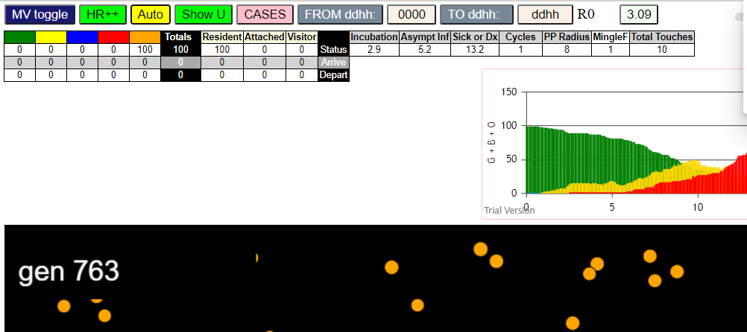
contactSimulation.js:2000 2I j:famKey 65:-1 infected by blue i:famKey 5:-1 at gen 25 in Univ0
contactSimulation.js:2000 3I j:famKey 44:-1 infected by blue i:famKey 5:-1 at gen 33 in Univ0
contactSimulation.js:2000 4I j:famKey 21:-1 infected by blue i:famKey 5:-1 at gen 40 in Univ0
contactSimulation.js:2000 5I j:famKey 24:-1 infected by blue i:famKey 5:-1 at gen 45 in Univ0
contactSimulation.js:2000 6I j:famKey 26:-1 infected by blue i:famKey 5:-1 at gen 54 in Univ0
contactSimulation.js:2000 6I j:famKey 66:-1 infected by blue i:famKey 5:-1 at gen 55 in Univ0
contactSimulation.js:2000 8I j:famKey 78:-1 infected by blue i:famKey 5:-1 at gen 57 in Univ0
contactSimulation.js:2016 8I i:famKey 4:-1 infected by red j:famKey 5:-1 at gen 58 in U0
contactSimulation.js:2000 10I j:famKey 30:-1 infected by red i:famKey 5:-1 at gen 61 in Univ0
contactSimulation.js:2000 11I j:famKey 56:-1 infected by red i:famKey 5:-1 at gen 89 in Univ0
contactSimulation.js:2000 12I j:famKey 23:-1 infected by red i:famKey 5:-1 at gen 91 in Univ0
contactSimulation.js:2000 13I j:famKey 59:-1 infected by red i:famKey 5:-1 at gen 107 in Univ0
contactSimulation.js:2016 13I i:famKey 37:-1 infected by blue j:famKey 44:-1 at gen 108 in U0
contactSimulation.js:2000 15I j:famKey 61:-1 infected by blue i:famKey 44:-1 at gen 113 in Univ0
contactSimulation.js:2000 15I j:famKey 81:-1 infected by blue i:famKey 44:-1 at gen 113 in Univ0
contactSimulation.js:2016 17I i:famKey 27:-1 infected by blue j:famKey 69:-1 at gen 115 in U0
contactSimulation.js:2000 18I j:famKey 87:-1 infected by blue i:famKey 69:-1 at gen 120 in Univ0
contactSimulation.js:2016 19I i:famKey 25:-1 infected by blue j:famKey 30:-1 at gen 137 in U0
contactSimulation.js:2000 20I j:famKey 83:-1 infected by blue i:famKey 21:-1 at gen 139 in Univ0 | 27666
contactSimulation.js:2000 21I j:famKey 85:-1 infected by blue i:famKey 65:-1 at gen 144 in Univ0
contactSimulation.js:2016 22I i:famKey 15:-1 infected by blue j:famKey 21:-1 at gen 149 in U0
contactSimulation.js:2000 22I j:famKey 68:-1 infected by red i:famKey 44:-1 at gen 150 in Univ0
contactSimulation.js:2000 24I j:famKey 93:-1 infected by red i:famKey 44:-1 at gen 154 in Univ0
contactSimulation.js:2000 24I j:famKey 98:-1 infected by blue i:famKey 24:-1 at gen 155 in Univ0
contactSimulation.js:2000 24I j:famKey 73:-1 infected by red i:famKey 69:-1 at gen 155 in Univ0
contactSimulation.js:2000 27I j:famKey 48:-1 infected by blue i:famKey 26:-1 at gen 161 in Univ0
contactSimulation.js:2000 28I j:famKey 60:-1 infected by blue i:famKey 26:-1 at gen 165 in Univ0
contactSimulation.js:2016 29I i:famKey 67:-1 infected by blue j:famKey 78:-1 at gen 168 in U0
contactSimulation.js:2000 29I j:famKey 71:-1 infected by red i:famKey 24:-1 at gen 169 in Univ0
contactSimulation.js:2016 31I i:famKey 18:-1 infected by red j:famKey 21:-1 at gen 172 in U0
contactSimulation.js:2000 31I j:famKey 49:-1 infected by red i:famKey 21:-1 at gen 172 in Univ0
contactSimulation.js:2016 31I i:famKey 8:-1 infected by red j:famKey 44:-1 at gen 173 in U0
contactSimulation.js:2000 31I j:famKey 79:-1 infected by red i:famKey 65:-1 at gen 173 in Univ0
contactSimulation.js:2000 35I j:famKey 46:-1 infected by blue i:famKey 4:-1 at gen 175 in Univ0
contactSimulation.js:2000 36I j:famKey 91:-1 infected by red i:famKey 44:-1 at gen 177 in Univ0
contactSimulation.js:2016 36I i:famKey 10:-1 infected by red j:famKey 26:-1 at gen 178 in U0
contactSimulation.js:2016 37I i:famKey 0:-1 infected by red j:famKey 78:-1 at gen 179 in U0
contactSimulation.js:2016 39I i:famKey 57:-1 infected by blue j:famKey 59:-1 at gen 185 in U0
contactSimulation.js:2016 40I i:famKey 43:-1 infected by red j:famKey 44:-1 at gen 189 in U0
contactSimulation.js:2016 40I i:famKey 50:-1 infected by red j:famKey 78:-1 at gen 190 in U0
contactSimulation.js:2000 42I j:famKey 53:-1 infected by red i:famKey 44:-1 at gen 192 in Univ0
contactSimulation.js:2000 43I j:famKey 96:-1 infected by red i:famKey 21:-1 at gen 201 in Univ0
contactSimulation.js:2000 43I j:famKey 39:-1 infected by red i:famKey 26:-1 at gen 202 in Univ0
contactSimulation.js:2000 44I j:famKey 86:-1 infected by red i:famKey 44:-1 at gen 203 in Univ0
contactSimulation.js:2000 45I j:famKey 22:-1 infected by red i:famKey 21:-1 at gen 204 in Univ0
contactSimulation.js:2000 45I j:famKey 75:-1 infected by red i:famKey 69:-1 at gen 204 in Univ0
contactSimulation.js:2000 48I j:famKey 35:-1 infected by blue i:famKey 25:-1 at gen 210 in Univ0
contactSimulation.js:2016 48I i:famKey 3:-1 infected by blue j:famKey 23:-1 at gen 211 in U0
contactSimulation.js:2000 50I j:famKey 88:-1 infected by blue i:famKey 37:-1 at gen 213 in Univ0
contactSimulation.js:2016 51I i:famKey 2:-1 infected by blue j:famKey 61:-1 at gen 215 in U0
contactSimulation.js:2000 51I j:famKey 58:-1 infected by red i:famKey 44:-1 at gen 216 in Univ0
contactSimulation.js:2000 52I j:famKey 84:-1 infected by red i:famKey 23:-1 at gen 217 in Univ0
contactSimulation.js:2000 53I j:famKey 51:-1 infected by blue i:famKey 37:-1 at gen 218 in Univ0
contactSimulation.js:2016 55I i:famKey 6:-1 infected by blue j:famKey 27:-1 at gen 222 in U0
contactSimulation.js:2000 55I j:famKey 31:-1 infected by red i:famKey 24:-1 at gen 222 in Univ0
contactSimulation.js:2000 55I j:famKey 32:-1 infected by red i:famKey 30:-1 at gen 222 in Univ0
contactSimulation.js:2000 58I j:famKey 74:-1 infected by red i:famKey 24:-1 at gen 226 in Univ0
contactSimulation.js:2016 58I i:famKey 55:-1 infected by blue j:famKey 61:-1 at gen 226 in U0
contactSimulation.js:2000 60I j:famKey 64:-1 infected by red i:famKey 23:-1 at gen 229 in Univ0
contactSimulation.js:2016 61I i:famKey 34:-1 infected by blue j:famKey 73:-1 at gen 231 in U0
contactSimulation.js:2000 62I j:famKey 80:-1 infected by red i:famKey 59:-1 at gen 234 in Univ0
contactSimulation.js:2000 62I j:famKey 62:-1 infected by red i:famKey 37:-1 at gen 235 in Univ0
contactSimulation.js:2016 63I i:famKey 52:-1 infected by red j:famKey 56:-1 at gen 236 in U0
contactSimulation.js:2000 65I j:famKey 29:-1 infected by red i:famKey 23:-1 at gen 247 in Univ0
contactSimulation.js:2000 66I j:famKey 54:-1 infected by red i:famKey 37:-1 at gen 251 in Univ0
contactSimulation.js:2000 67I j:famKey 33:-1 infected by blue i:famKey 15:-1 at gen 253 in Univ0
contactSimulation.js:2016 68I i:famKey 45:-1 infected by red j:famKey 56:-1 at gen 259 in U0
contactSimulation.js:2016 69I i:famKey 7:-1 infected by red j:famKey 66:-1 at gen 267 in U0
contactSimulation.js:2000 69I j:famKey 40:-1 infected by blue i:famKey 15:-1 at gen 268 in Univ0
contactSimulation.js:2000 71I j:famKey 41:-1 infected by red i:famKey 23:-1 at gen 273 in Univ0
contactSimulation.js:2016 72I i:famKey 9:-1 infected by blue j:famKey 73:-1 at gen 275 in U0
contactSimulation.js:2016 72I i:famKey 36:-1 infected by red j:famKey 69:-1 at gen 275 in U0
contactSimulation.js:2016 72I i:famKey 13:-1 infected by blue j:famKey 57:-1 at gen 276 in U0
contactSimulation.js:2016 72I i:famKey 17:-1 infected by blue j:famKey 71:-1 at gen 276 in U0
contactSimulation.js:2000 74I j:famKey 90:-1 infected by blue i:famKey 57:-1 at gen 277 in Univ0
contactSimulation.js:2000 77I j:famKey 97:-1 infected by blue i:famKey 91:-1 at gen 285 in Univ0
contactSimulation.js:2016 78I i:famKey 12:-1 infected by blue j:famKey 57:-1 at gen 290 in U0
contactSimulation.js:2000 78I j:famKey 89:-1 infected by blue i:famKey 53:-1 at gen 290 in Univ0
contactSimulation.js:2016 78I i:famKey 11:-1 infected by blue j:famKey 91:-1 at gen 291 in U0
contactSimulation.js:2000 81I j:famKey 42:-1 infected by red i:famKey 4:-1 at gen 301 in Univ0
contactSimulation.js:2016 82I i:famKey 38:-1 infected by blue j:famKey 88:-1 at gen 309 in U0
contactSimulation.js:2016 82I i:famKey 1:-1 infected by blue j:famKey 6:-1 at gen 310 in U0
contactSimulation.js:2016 84I i:famKey 47:-1 infected by red j:famKey 59:-1 at gen 313 in U0
contactSimulation.js:2000 85I j:famKey 95:-1 infected by red i:famKey 15:-1 at gen 321 in Univ0
contactSimulation.js:2000 86I j:famKey 99:-1 infected by blue i:famKey 6:-1 at gen 323 in Univ0
contactSimulation.js:2000 87I j:famKey 77:-1 infected by red i:famKey 57:-1 at gen 329 in Univ0
contactSimulation.js:2000 87I j:famKey 82:-1 infected by red i:famKey 15:-1 at gen 330 in Univ0
contactSimulation.js:2000 88I j:famKey 28:-1 infected by red i:famKey 15:-1 at gen 331 in Univ0
contactSimulation.js:2016 90I i:famKey 63:-1 infected by red j:famKey 96:-1 at gen 335 in U0
contactSimulation.js:2016 91I i:famKey 20:-1 infected by red j:famKey 96:-1 at gen 342 in U0
contactSimulation.js:2016 92I i:famKey 72:-1 infected by blue j:famKey 80:-1 at gen 346 in U0
contactSimulation.js:2000 93I j:famKey 76:-1 infected by blue i:famKey 33:-1 at gen 352 in Univ0
contactSimulation.js:2000 94I j:famKey 70:-1 infected by red i:famKey 32:-1 at gen 362 in Univ0
contactSimulation.js:2000 95I j:famKey 92:-1 infected by red i:famKey 6:-1 at gen 377 in Univ0
contactSimulation.js:2000 95I j:famKey 94:-1 infected by red i:famKey 15:-1 at gen 378 in Univ0
contactSimulation.js:2016 97I i:famKey 16:-1 infected by blue j:famKey 77:-1 at gen 426 in U0
contactSimulation.js:2016 98I i:famKey 19:-1 infected by red j:famKey 53:-1 at gen 447 in U0
contactSimulation.js:2016 99I i:famKey 14:-1 infected by red j:famKey 41:-1 at gen 470 in U0

R8-2
contactSimulation.js:4162 exit covidSim
contactSimulation.js:23 getAsText File {name: "HundredAgentsU0mF1.csv", lastModified: 1608077990000, lastModifiedDate: Tue Dec 15 2020 16:19:50 GMT-0800 (Pacific Standard Time), webkitRelativePath: "", size: 2140, …}
contactSimulation.js:32 File {name: "HundredAgentsU0mF1.csv", lastModified: 1608077990000, lastModifiedDate: Tue Dec 15 2020 16:19:50 GMT-0800 (Pacific Standard Time), webkitRelativePath: "", size: 2140, …}
contactSimulation.js:23 getAsText File {name: "VL1.-2.9D.csv", lastModified: 1608491880000, lastModifiedDate: Sun Dec 20 2020 11:18:00 GMT-0800 (Pacific Standard Time), webkitRelativePath: "", size: 65, …}
contactSimulation.js:32 File {name: "VL1.-2.9D.csv", lastModified: 1608491880000, lastModifiedDate: Sun Dec 20 2020 11:18:00 GMT-0800 (Pacific Standard Time), webkitRelativePath: "", size: 65, …}
contactSimulation.js:2000 1I j:famKey 13:-1 infected by blue i:famKey 5:-1 at gen 25 in Univ0
contactSimulation.js:2000 2I j:famKey 19:-1 infected by blue i:famKey 5:-1 at gen 49 in Univ0
contactSimulation.js:2000 3I j:famKey 71:-1 infected by red i:famKey 5:-1 at gen 69 in Univ0
contactSimulation.js:2000 4I j:famKey 76:-1 infected by red i:famKey 5:-1 at gen 83 in Univ0
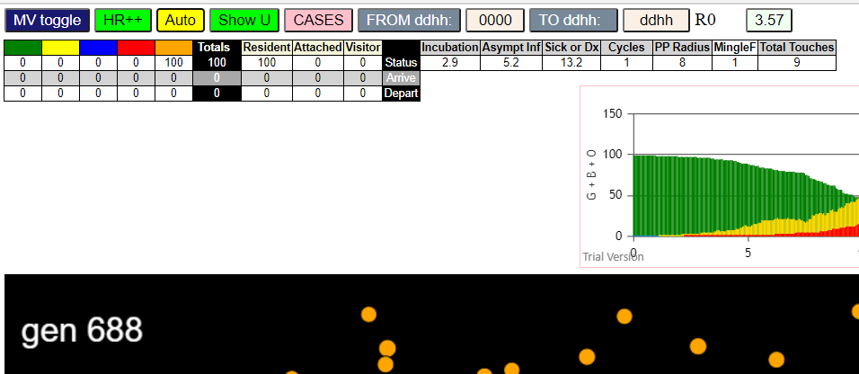
contactSimulation.js:2000 5I j:famKey 33:-1 infected by red i:famKey 5:-1 at gen 86 in Univ0
contactSimulation.js:2000 6I j:famKey 30:-1 infected by red i:famKey 5:-1 at gen 96 in Univ0
contactSimulation.js:2000 7I j:famKey 83:-1 infected by red i:famKey 5:-1 at gen 106 in Univ0
contactSimulation.js:2000 8I j:famKey 82:-1 infected by red i:famKey 5:-1 at gen 110 in Univ0
contactSimulation.js:2000 9I j:famKey 31:-1 infected by blue i:famKey 13:-1 at gen 112 in Univ0
contactSimulation.js:2000 10I j:famKey 62:-1 infected by red i:famKey 5:-1 at gen 115 in Univ0
contactSimulation.js:2000 11I j:famKey 54:-1 infected by red i:famKey 5:-1 at gen 122 in Univ0
contactSimulation.js:2000 12I j:famKey 90:-1 infected by blue i:famKey 13:-1 at gen 124 in Univ0
contactSimulation.js:2000 13I j:famKey 36:-1 infected by red i:famKey 5:-1 at gen 129 in Univ0
contactSimulation.js:2000 14I j:famKey 60:-1 infected by red i:famKey 5:-1 at gen 133 in Univ0
contactSimulation.js:2000 14I j:famKey 75:-1 infected by blue i:famKey 13:-1 at gen 133 in Univ0
contactSimulation.js:2016 16I i:famKey 18:-1 infected by blue j:famKey 19:-1 at gen 139 in U0
contactSimulation.js:2000 17I j:famKey 20:-1 infected by red i:famKey 5:-1 at gen 146 in Univ0
contactSimulation.js:2000 18I j:famKey 48:-1 infected by blue i:famKey 19:-1 at gen 149 in Univ0
contactSimulation.js:2000 19I j:famKey 29:-1 infected by red i:famKey 13:-1 at gen 154 in Univ0
contactSimulation.js:2000 20I j:famKey 92:-1 infected by blue i:famKey 33:-1 at gen 160 in Univ0
contactSimulation.js:2000 21I j:famKey 88:-1 infected by red i:famKey 13:-1 at gen 171 in Univ0
contactSimulation.js:2016 22I i:famKey 46:-1 infected by blue j:famKey 83:-1 at gen 180 in U0
contactSimulation.js:2016 23I i:famKey 9:-1 infected by blue j:famKey 30:-1 at gen 182 in U0
contactSimulation.js:2000 23I j:famKey 39:-1 infected by blue i:famKey 33:-1 at gen 182 in Univ0
contactSimulation.js:2000 25I j:famKey 56:-1 infected by blue i:famKey 33:-1 at gen 184 in Univ0
contactSimulation.js:2016 26I i:famKey 17:-1 infected by blue j:famKey 71:-1 at gen 186 in U0
contactSimulation.js:2016 26I i:famKey 28:-1 infected by blue j:famKey 71:-1 at gen 186 in U0
contactSimulation.js:2000 26I j:famKey 98:-1 infected by blue i:famKey 83:-1 at gen 186 in Univ0
contactSimulation.js:2000 29I j:famKey 84:-1 infected by blue i:famKey 33:-1 at gen 189 in Univ0
contactSimulation.js:2000 30I j:famKey 99:-1 infected by blue i:famKey 71:-1 at gen 192 in Univ0
contactSimulation.js:2000 30I j:famKey 27:-1 infected by red i:famKey 13:-1 at gen 193 in Univ0
contactSimulation.js:2016 32I i:famKey 4:-1 infected by blue j:famKey 62:-1 at gen 197 in U0
contactSimulation.js:2000 33I j:famKey 63:-1 infected by blue i:famKey 33:-1 at gen 201 in Univ0
contactSimulation.js:2000 33I j:famKey 94:-1 infected by blue i:famKey 33:-1 at gen 201 in Univ0
contactSimulation.js:2000 35I j:famKey 15:-1 infected by red i:famKey 13:-1 at gen 204 in Univ0
contactSimulation.js:2000 35I j:famKey 81:-1 infected by red i:famKey 71:-1 at gen 204 in Univ0
contactSimulation.js:2000 37I j:famKey 96:-1 infected by red i:famKey 33:-1 at gen 207 in Univ0
contactSimulation.js:2016 38I i:famKey 25:-1 infected by blue j:famKey 82:-1 at gen 213 in U0
contactSimulation.js:2016 38I i:famKey 41:-1 infected by blue j:famKey 62:-1 at gen 213 in U0
contactSimulation.js:2016 38I i:famKey 14:-1 infected by blue j:famKey 83:-1 at gen 214 in U0
contactSimulation.js:2000 40I j:famKey 45:-1 infected by red i:famKey 19:-1 at gen 215 in Univ0
contactSimulation.js:2000 41I j:famKey 93:-1 infected by blue i:famKey 82:-1 at gen 216 in Univ0
contactSimulation.js:2016 43I i:famKey 40:-1 infected by red j:famKey 76:-1 at gen 220 in U0
contactSimulation.js:2016 43I i:famKey 50:-1 infected by red j:famKey 83:-1 at gen 220 in U0
contactSimulation.js:2000 43I j:famKey 37:-1 infected by red i:famKey 33:-1 at gen 221 in Univ0
contactSimulation.js:2016 43I i:famKey 66:-1 infected by red j:famKey 76:-1 at gen 221 in U0
contactSimulation.js:2000 47I j:famKey 74:-1 infected by blue i:famKey 62:-1 at gen 223 in Univ0
contactSimulation.js:2016 48I i:famKey 51:-1 infected by blue j:famKey 82:-1 at gen 226 in U0
contactSimulation.js:2016 49I i:famKey 0:-1 infected by red j:famKey 62:-1 at gen 231 in U0
contactSimulation.js:2016 49I i:famKey 12:-1 infected by red j:famKey 33:-1 at gen 232 in U0
contactSimulation.js:2000 51I j:famKey 32:-1 infected by red i:famKey 30:-1 at gen 234 in Univ0
contactSimulation.js:2016 52I i:famKey 16:-1 infected by red j:famKey 76:-1 at gen 238 in U0
contactSimulation.js:2000 52I j:famKey 23:-1 infected by red i:famKey 19:-1 at gen 239 in Univ0
contactSimulation.js:2016 52I i:famKey 72:-1 infected by red j:famKey 83:-1 at gen 239 in U0
contactSimulation.js:2000 55I j:famKey 59:-1 infected by red i:famKey 33:-1 at gen 243 in Univ0
contactSimulation.js:2000 55I j:famKey 89:-1 infected by red i:famKey 54:-1 at gen 243 in Univ0
contactSimulation.js:2000 57I j:famKey 58:-1 infected by blue i:famKey 20:-1 at gen 245 in Univ0
contactSimulation.js:2000 58I j:famKey 86:-1 infected by blue i:famKey 48:-1 at gen 247 in Univ0
contactSimulation.js:2016 58I i:famKey 24:-1 infected by red j:famKey 83:-1 at gen 248 in U0
contactSimulation.js:2000 60I j:famKey 61:-1 infected by blue i:famKey 48:-1 at gen 251 in Univ0
contactSimulation.js:2000 60I j:famKey 79:-1 infected by red i:famKey 76:-1 at gen 251 in Univ0
contactSimulation.js:2000 62I j:famKey 73:-1 infected by red i:famKey 62:-1 at gen 254 in Univ0
contactSimulation.js:2000 63I j:famKey 85:-1 infected by blue i:famKey 20:-1 at gen 257 in Univ0
contactSimulation.js:2000 63I j:famKey 97:-1 infected by blue i:famKey 18:-1 at gen 258 in Univ0
contactSimulation.js:2000 65I j:famKey 42:-1 infected by red i:famKey 31:-1 at gen 261 in Univ0
contactSimulation.js:2000 65I j:famKey 55:-1 infected by blue i:famKey 48:-1 at gen 261 in Univ0
contactSimulation.js:2000 67I j:famKey 49:-1 infected by red i:famKey 31:-1 at gen 264 in Univ0
contactSimulation.js:2016 68I i:famKey 11:-1 infected by red j:famKey 75:-1 at gen 266 in U0
contactSimulation.js:2000 69I j:famKey 44:-1 infected by red i:famKey 19:-1 at gen 269 in Univ0
contactSimulation.js:2000 69I j:famKey 95:-1 infected by red i:famKey 31:-1 at gen 269 in Univ0
contactSimulation.js:2000 69I j:famKey 68:-1 infected by red i:famKey 62:-1 at gen 269 in Univ0
contactSimulation.js:2016 69I i:famKey 2:-1 infected by red j:famKey 20:-1 at gen 270 in U0
contactSimulation.js:2016 69I i:famKey 70:-1 infected by red j:famKey 76:-1 at gen 270 in U0
contactSimulation.js:2016 74I i:famKey 8:-1 infected by red j:famKey 76:-1 at gen 272 in U0
contactSimulation.js:2000 74I j:famKey 64:-1 infected by red i:famKey 20:-1 at gen 273 in Univ0
contactSimulation.js:2016 74I i:famKey 34:-1 infected by blue j:famKey 92:-1 at gen 273 in U0
contactSimulation.js:2000 74I j:famKey 64:-1 infected by red i:famKey 36:-1 at gen 273 in Univ0
contactSimulation.js:2000 75I j:famKey 69:-1 infected by red i:famKey 48:-1 at gen 274 in Univ0
contactSimulation.js:2000 78I j:famKey 22:-1 infected by blue i:famKey 9:-1 at gen 276 in Univ0
contactSimulation.js:2016 78I i:famKey 3:-1 infected by red j:famKey 62:-1 at gen 277 in U0
contactSimulation.js:2000 79I j:famKey 47:-1 infected by blue i:famKey 9:-1 at gen 278 in Univ0
contactSimulation.js:2000 79I j:famKey 67:-1 infected by red i:famKey 31:-1 at gen 278 in Univ0
contactSimulation.js:2016 82I i:famKey 53:-1 infected by blue j:famKey 96:-1 at gen 281 in U0
contactSimulation.js:2016 82I i:famKey 1:-1 infected by red j:famKey 48:-1 at gen 282 in U0
contactSimulation.js:2000 84I j:famKey 80:-1 infected by red i:famKey 48:-1 at gen 288 in Univ0
contactSimulation.js:2016 85I i:famKey 26:-1 infected by red j:famKey 60:-1 at gen 296 in U0
contactSimulation.js:2000 86I j:famKey 38:-1 infected by red i:famKey 13:-1 at gen 302 in Univ0
contactSimulation.js:2016 87I i:famKey 10:-1 infected by blue j:famKey 63:-1 at gen 305 in U0
contactSimulation.js:2016 88I i:famKey 35:-1 infected by blue j:famKey 99:-1 at gen 308 in U0
contactSimulation.js:2000 88I j:famKey 87:-1 infected by blue i:famKey 41:-1 at gen 309 in Univ0
contactSimulation.js:2016 90I i:famKey 6:-1 infected by blue j:famKey 99:-1 at gen 312 in U0
contactSimulation.js:2016 91I i:famKey 65:-1 infected by red j:famKey 99:-1 at gen 317 in U0
contactSimulation.js:2000 92I j:famKey 77:-1 infected by blue i:famKey 66:-1 at gen 319 in Univ0
contactSimulation.js:2000 93I j:famKey 43:-1 infected by blue i:famKey 40:-1 at gen 334 in Univ0
contactSimulation.js:2000 94I j:famKey 57:-1 infected by red i:famKey 40:-1 at gen 349 in Univ0
contactSimulation.js:2016 95I i:famKey 78:-1 infected by red j:famKey 86:-1 at gen 372 in U0
contactSimulation.js:2000 95I j:famKey 91:-1 infected by red i:famKey 86:-1 at gen 372 in Univ0
contactSimulation.js:2016 97I i:famKey 7:-1 infected by red j:famKey 66:-1 at gen 377 in U0
contactSimulation.js:2000 97I j:famKey 52:-1 infected by red i:famKey 40:-1 at gen 378 in Univ0
contactSimulation.js:2016 98I i:famKey 21:-1 infected by red j:famKey 55:-1 at gen 379 in U0

R8-3
contactSimulation.js:4162 exit covidSim
contactSimulation.js:23 getAsText File {name: "HundredAgentsU0mF1.csv", lastModified: 1608077990000, lastModifiedDate: Tue Dec 15 2020 16:19:50 GMT-0800 (Pacific Standard Time), webkitRelativePath: "", size: 2140, …}
contactSimulation.js:32 File {name: "HundredAgentsU0mF1.csv", lastModified: 1608077990000, lastModifiedDate: Tue Dec 15 2020 16:19:50 GMT-0800 (Pacific Standard Time), webkitRelativePath: "", size: 2140, …}
contactSimulation.js:23 getAsText File {name: "VL1.-2.9D.csv", lastModified: 1608491880000, lastModifiedDate: Sun Dec 20 2020 11:18:00 GMT-0800 (Pacific Standard Time), webkitRelativePath: "", size: 65, …}
contactSimulation.js:32 File {name: "VL1.-2.9D.csv", lastModified: 1608491880000, lastModifiedDate: Sun Dec 20 2020 11:18:00 GMT-0800 (Pacific Standard Time), webkitRelativePath: "", size: 65, …}
contactSimulation.js:2000 1I j:famKey 56:-1 infected by blue i:famKey 5:-1 at gen 35 in Univ0
contactSimulation.js:2000 2I j:famKey 64:-1 infected by blue i:famKey 5:-1 at gen 44 in Univ0
contactSimulation.js:2000 3I j:famKey 48:-1 infected by red i:famKey 5:-1 at gen 55 in Univ0
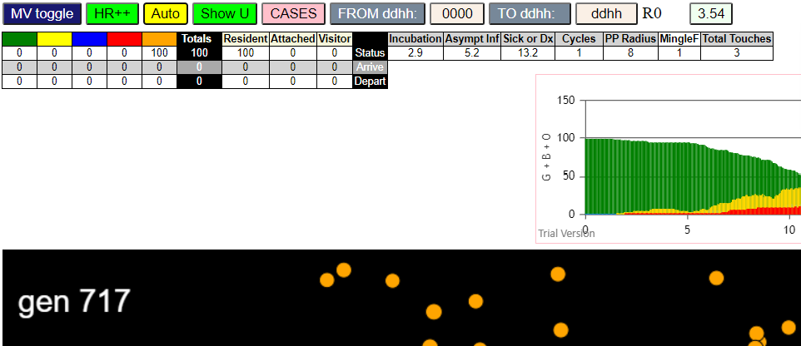
contactSimulation.js:2016 4I i:famKey 2:-1 infected by red j:famKey 5:-1 at gen 74 in U0
contactSimulation.js:2000 5I j:famKey 99:-1 infected by red i:famKey 5:-1 at gen 77 in Univ0
contactSimulation.js:2000 6I j:famKey 59:-1 infected by red i:famKey 5:-1 at gen 126 in Univ0
contactSimulation.js:2000 7I j:famKey 62:-1 infected by blue i:famKey 56:-1 at gen 133 in Univ0
contactSimulation.js:2000 8I j:famKey 93:-1 infected by blue i:famKey 56:-1 at gen 136 in Univ0
contactSimulation.js:2000 9I j:famKey 18:-1 infected by red i:famKey 5:-1 at gen 143 in Univ0
contactSimulation.js:2016 9I i:famKey 36:-1 infected by blue j:famKey 48:-1 at gen 144 in U0
contactSimulation.js:2016 10I i:famKey 13:-1 infected by blue j:famKey 64:-1 at gen 145 in U0
contactSimulation.js:2000 12I j:famKey 90:-1 infected by red i:famKey 5:-1 at gen 147 in Univ0
contactSimulation.js:2000 13I j:famKey 11:-1 infected by red i:famKey 5:-1 at gen 149 in Univ0
contactSimulation.js:2000 14I j:famKey 69:-1 infected by red i:famKey 5:-1 at gen 154 in Univ0
contactSimulation.js:2000 15I j:famKey 87:-1 infected by blue i:famKey 56:-1 at gen 156 in Univ0
contactSimulation.js:2000 16I j:famKey 7:-1 infected by red i:famKey 5:-1 at gen 170 in Univ0
contactSimulation.js:2016 16I i:famKey 26:-1 infected by red j:famKey 64:-1 at gen 171 in U0
contactSimulation.js:2016 16I i:famKey 45:-1 infected by blue j:famKey 99:-1 at gen 171 in U0
contactSimulation.js:2016 19I i:famKey 12:-1 infected by red j:famKey 48:-1 at gen 176 in U0
contactSimulation.js:2016 20I i:famKey 53:-1 infected by blue j:famKey 99:-1 at gen 182 in U0
contactSimulation.js:2016 20I i:famKey 40:-1 infected by blue j:famKey 99:-1 at gen 183 in U0
contactSimulation.js:2016 22I i:famKey 98:-1 infected by blue j:famKey 99:-1 at gen 187 in U0
contactSimulation.js:2016 23I i:famKey 54:-1 infected by red j:famKey 64:-1 at gen 195 in U0
contactSimulation.js:2000 24I j:famKey 66:-1 infected by blue i:famKey 59:-1 at gen 198 in Univ0
contactSimulation.js:2016 25I i:famKey 28:-1 infected by blue j:famKey 59:-1 at gen 203 in U0
contactSimulation.js:2016 26I i:famKey 4:-1 infected by red j:famKey 99:-1 at gen 207 in U0
contactSimulation.js:2000 27I j:famKey 73:-1 infected by red i:famKey 56:-1 at gen 209 in Univ0
contactSimulation.js:2016 27I i:famKey 71:-1 infected by red j:famKey 99:-1 at gen 209 in U0
contactSimulation.js:2000 29I j:famKey 79:-1 infected by red i:famKey 64:-1 at gen 220 in Univ0
contactSimulation.js:2000 29I j:famKey 85:-1 infected by red i:famKey 64:-1 at gen 221 in Univ0
contactSimulation.js:2016 30I i:famKey 22:-1 infected by blue j:famKey 59:-1 at gen 222 in U0
contactSimulation.js:2016 31I i:famKey 0:-1 infected by blue j:famKey 93:-1 at gen 223 in U0
contactSimulation.js:2000 33I j:famKey 91:-1 infected by red i:famKey 64:-1 at gen 226 in Univ0
contactSimulation.js:2016 34I i:famKey 38:-1 infected by red j:famKey 64:-1 at gen 228 in U0
contactSimulation.js:2016 34I i:famKey 15:-1 infected by red j:famKey 64:-1 at gen 229 in U0
contactSimulation.js:2000 34I j:famKey 65:-1 infected by red i:famKey 64:-1 at gen 229 in Univ0
contactSimulation.js:2016 35I i:famKey 17:-1 infected by blue j:famKey 18:-1 at gen 230 in U0
contactSimulation.js:2016 38I i:famKey 88:-1 infected by blue j:famKey 93:-1 at gen 234 in U0
contactSimulation.js:2016 38I i:famKey 47:-1 infected by red j:famKey 64:-1 at gen 235 in U0
contactSimulation.js:2000 39I j:famKey 67:-1 infected by blue i:famKey 11:-1 at gen 236 in Univ0
contactSimulation.js:2000 41I j:famKey 84:-1 infected by red i:famKey 64:-1 at gen 240 in Univ0
contactSimulation.js:2000 42I j:famKey 50:-1 infected by blue i:famKey 13:-1 at gen 245 in Univ0
contactSimulation.js:2016 43I i:famKey 8:-1 infected by red j:famKey 99:-1 at gen 249 in U0
...

R8-4
...
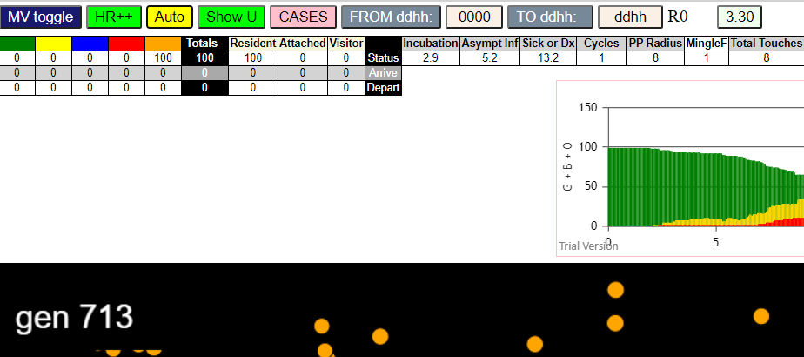
...

R9.0
...
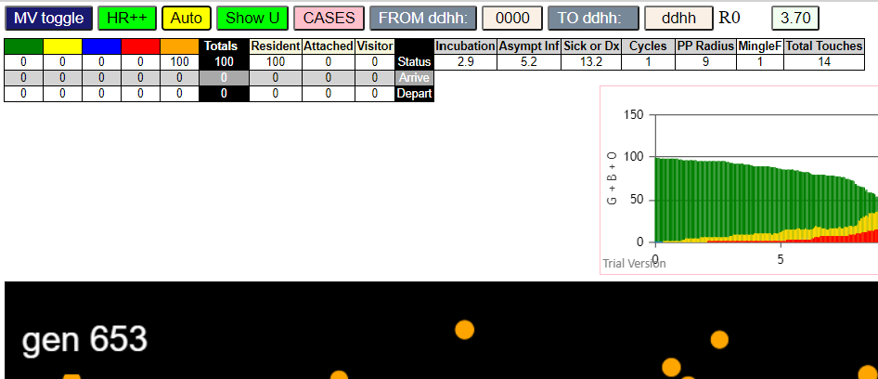
...

R9-2
...
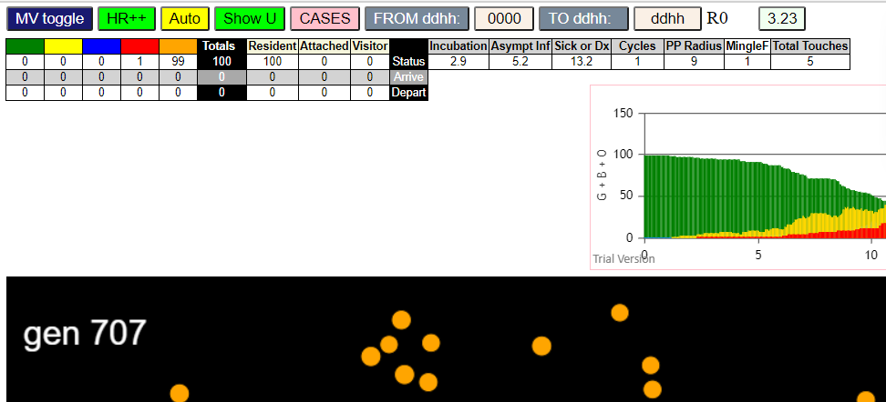
...

R9-3
...
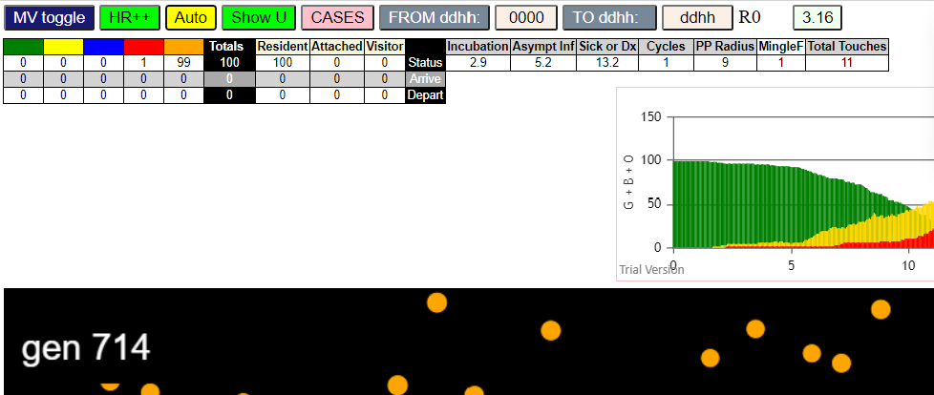
...

R10.0
...
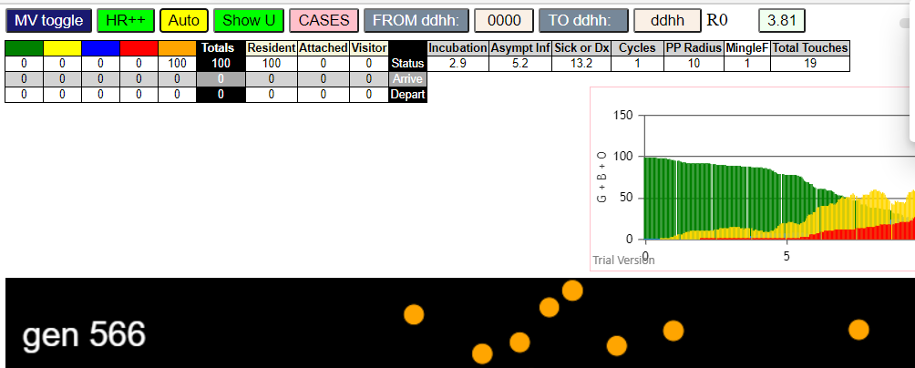
...

R11.0
...
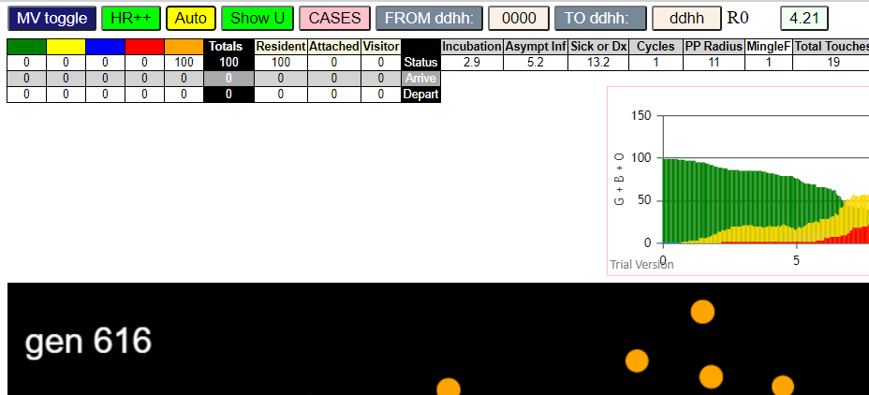
...

R12.0
...



